Table p. 1
 | Estimation |  |  |  |  |  |  |  |  |  |  | Date: |  | 15/10/2026 / 16:30
 |  |  |  |  |  |  |  |  |  |  |  | Project: |  | Birch Hollow

 |  |  |  |  |  |  |  |  |  |  |  |  |  |  |  | Administrator CORTIZO - September 2026 QUOTES\B\

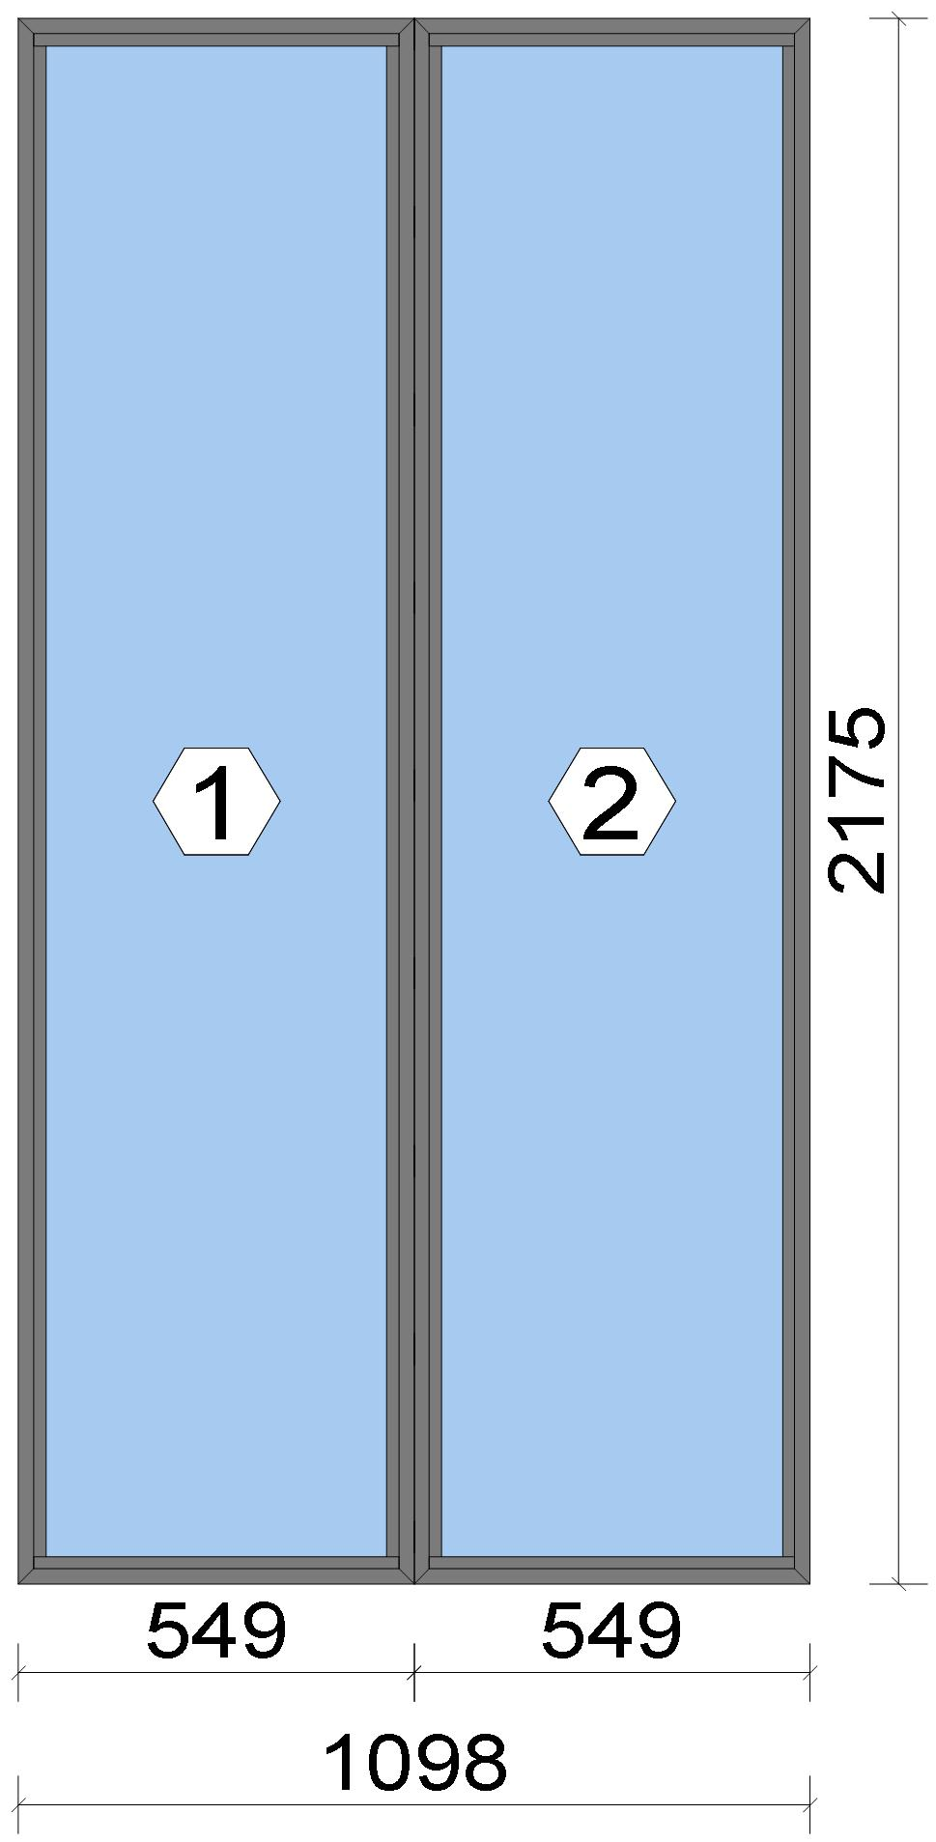

Stated quantities refer to one position each.
Glass
Description |  |  |  |  |  |  |  |  |  |  | Area [m²] |  |  |  | Dimension [mm] |  | Quantity [Pcs.] |  |  | Price [£]

4mm TG TGH STD, 42 mm |  |  |  |  |  |  |  |  |  |  | 1.06 (1.07) |  |  |  | 497 x 2,123 |  | 2 |  |  | 221.16
Total: |  |  |  |  |  |  |  |  |  |  | 2.11 (2.13) |  |  |  |  |  | 2 |  |  | 221.16

Summary
Description |  |  |  |  |  |  |  |  |  |  |  |  |  |  |  |  |  | [£]
Profiles incl. Coating |  |  |  |  |  |  |  |  |  |  |  |  |  |  |  |  |  | 103.36
Finish |  |  |  |  |  |  |  |  |  |  |  |  |  |  |  |  |  | 19.14
Accessories |  |  |  |  |  |  |  |  |  |  |  |  |  |  |  |  |  | 16.49
Hardware |  |  |  |  |  |  |  |  |  |  |  |  |  |  |  |  |  | 0.00
Gaskets |  |  |  |  |  |  |  |  |  |  |  |  |  |  |  |  |  | 13.29
Small materials |  |  |  |  |  |  |  |  |  |  |  |  |  |  |  |  |  | 0.00
Total Material |  |  |  |  |  |  |  |  |  |  |  |  |  |  |  |  |  | 152.28

 |  |  |  |  | Logikal 12.6 - ORGADATA AG , Am Nesseufer 14, 26789 Leer, Germany, +49 491 92782-500
 |  |  |  |  |  |  |  |  | Page: 1 from 43

 |  |  |  |  | Please check all results for plausibility. We do not take responsibility for any errors.

 | Estimation |  |  |  |  |  |  |  |  |  |  | Date: |  | 15/10/2026 / 16:30
 |  |  |  |  |  |  |  |  |  |  |  | Project: |  | Birch Hollow

Glass |  |  |  |  |  |  |  |  |  |  |  |  |  |  |  |  |  | 221.16
Insertion Costs Glass |  |  |  |  |  |  |  |  |  |  |  |  |  |  |  |  |  | 0.00
Insertion Costs Panel |  |  |  |  |  |  |  |  |  |  |  |  |  |  |  |  |  | 0.00
Total Glass |  |  |  |  |  |  |  |  |  |  |  |  |  |  |  |  |  | 221.16

Outer frame corner |  |  |  |  |  |  |  |  |  |  |  |  |  |  |  |  |  | 25.00
Installation |  |  |  |  |  |  |  |  |  |  |  |  |  |  |  |  |  | 0.00
Total Wages |  |  |  |  |  |  |  |  |  |  |  |  |  |  |  |  |  | 25.00

Extra costs |  |  |  |  |  |  |  |  |  |  |  |  |  |  |  |  |  | 0.00
Net Total |  |  |  |  |  |  |  |  |  |  |  |  |  |  |  |  |  | 398.44

Total Costs |  |  |  |  |  |  |  |  |  |  |  |  |  |  |  |  |  | 398.44

Profit on material |  |  |  |  |  |  |  |  |  |  |  |  |  |  |  |  |  | 0.00
Profit on glass purchase |  |  |  |  |  |  |  |  |  |  |  |  |  |  |  |  |  | 0.00
Profit on wages |  |  |  |  |  |  |  |  |  |  |  |  |  |  |  |  |  | 0.00
Profit on other costs |  |  |  |  |  |  |  |  |  |  |  |  |  |  |  |  |  | 0.00
Estimated price |  |  |  |  |  |  |  |  |  |  |  |  |  |  |  |  |  | 398.44

Position area: |  |  |  |  |  |  |  |  |  |  |  |  |  |  |  |  |  | 2.39 m²
Estimated price / m² |  |  |  |  |  |  |  |  |  |  |  |  |  |  |  |  |  | 166.85 £
Weight / Profiles |  |  |  |  |  |  |  |  |  |  |  |  |  |  |  |  |  | 17.12 kg
Weight / Glass |  |  |  |  |  |  |  |  |  |  |  |  |  |  |  |  |  | 63.31 kg
Weight for estimation |  |  |  |  |  |  |  |  |  |  |  |  |  |  |  |  |  | 80.43 kg

 |  |  |  |  | Logikal 12.6 - ORGADATA AG , Am Nesseufer 14, 26789 Leer, Germany, +49 491 92782-500
 |  |  |  |  |  |  |  |  | Page: 2 from 43

 |  |  |  |  | Please check all results for plausibility. We do not take responsibility for any errors.

 | Estimation |  |  |  |  |  |  |  |  |  |  | Date: |  | 15/10/2026 / 16:30
 |  |  |  |  |  |  |  |  |  |  |  | Project: |  | Birch Hollow

 |  |  |  |  |  |  |  |  |  |  |  |  |  |  |  | Administrator CORTIZO - September 2026 QUOTES\B\

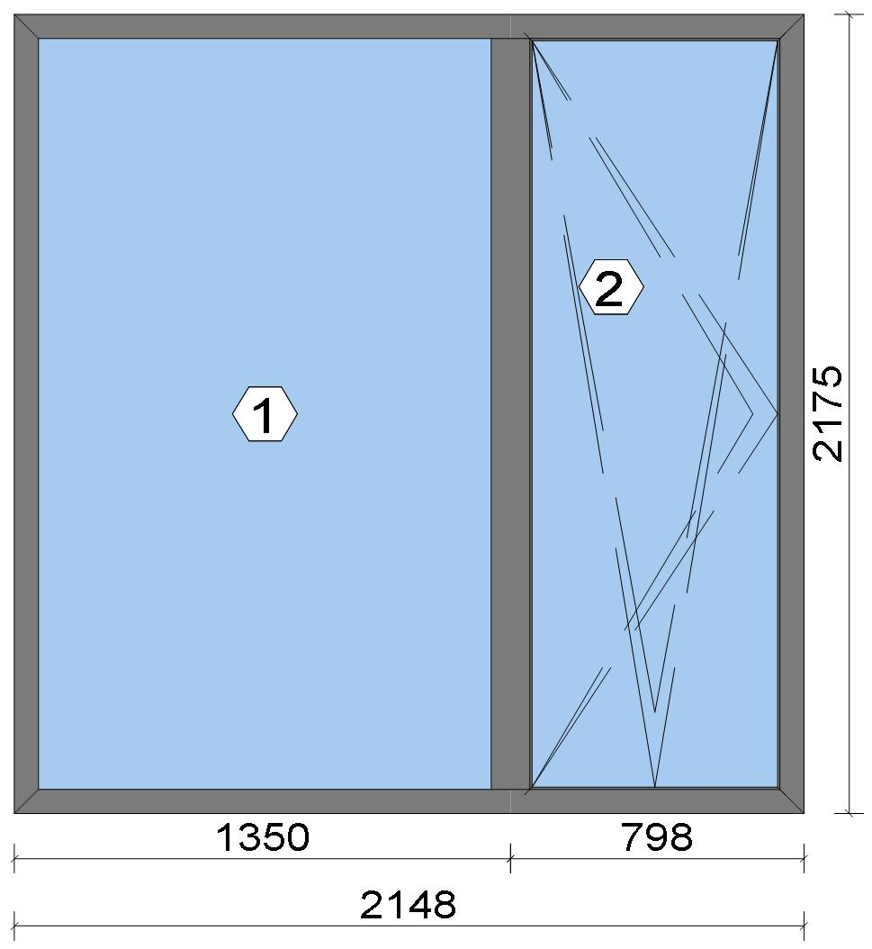
Stated quantities refer to one position each.
Glass
Description |  |  |  |  |  |  |  |  |  |  | Area [m²] |  |  |  | Dimension [mm] |  | Quantity [Pcs.] |  |  | Price [£]

4mm TG TGH STD, 40 mm |  |  |  |  |  |  |  |  |  |  | 2.63 (2.64) |  |  |  | 1,266 x 2,078 |  | 1 |  |  | 274.28
4mm TG TGH STD, 40 mm |  |  |  |  |  |  |  |  |  |  | 1.42 (1.44) |  |  |  | 691 x 2,055 |  | 1 |  |  | 149.72
Total: |  |  |  |  |  |  |  |  |  |  | 4.05 (4.08) |  |  |  |  |  | 2 |  |  | 424.00

Summary
Description |  |  |  |  |  |  |  |  |  |  |  |  |  |  |  |  |  | [£]
Profiles incl. Coating |  |  |  |  |  |  |  |  |  |  |  |  |  |  |  |  |  | 180.55
Finish |  |  |  |  |  |  |  |  |  |  |  |  |  |  |  |  |  | 31.36
Accessories |  |  |  |  |  |  |  |  |  |  |  |  |  |  |  |  |  | 26.56
Hardware |  |  |  |  |  |  |  |  |  |  |  |  |  |  |  |  |  | 102.26
Gaskets |  |  |  |  |  |  |  |  |  |  |  |  |  |  |  |  |  | 34.63
Small materials |  |  |  |  |  |  |  |  |  |  |  |  |  |  |  |  |  | 0.00
Total Material |  |  |  |  |  |  |  |  |  |  |  |  |  |  |  |  |  | 375.36

Glass |  |  |  |  |  |  |  |  |  |  |  |  |  |  |  |  |  | 424.00
Insertion Costs Glass |  |  |  |  |  |  |  |  |  |  |  |  |  |  |  |  |  | 0.00
Insertion Costs Panel |  |  |  |  |  |  |  |  |  |  |  |  |  |  |  |  |  | 0.00
Total Glass |  |  |  |  |  |  |  |  |  |  |  |  |  |  |  |  |  | 424.00

Outer frame corner |  |  |  |  |  |  |  |  |  |  |  |  |  |  |  |  |  | 41.67
Sash Corners |  |  |  |  |  |  |  |  |  |  |  |  |  |  |  |  |  | 71.67
T-Junction |  |  |  |  |  |  |  |  |  |  |  |  |  |  |  |  |  | 37.50
Installation |  |  |  |  |  |  |  |  |  |  |  |  |  |  |  |  |  | 0.00
Total Wages |  |  |  |  |  |  |  |  |  |  |  |  |  |  |  |  |  | 150.84

Extra costs |  |  |  |  |  |  |  |  |  |  |  |  |  |  |  |  |  | 0.00
Net Total |  |  |  |  |  |  |  |  |  |  |  |  |  |  |  |  |  | 950.20

Total Costs |  |  |  |  |  |  |  |  |  |  |  |  |  |  |  |  |  | 950.20

 |  |  |  |  | Logikal 12.6 - ORGADATA AG , Am Nesseufer 14, 26789 Leer, Germany, +49 491 92782-500
 |  |  |  |  |  |  |  |  | Page: 3 from 43

 |  |  |  |  | Please check all results for plausibility. We do not take responsibility for any errors.

 | Estimation |  |  |  |  |  |  |  |  |  |  | Date: |  | 15/10/2026 / 16:30
 |  |  |  |  |  |  |  |  |  |  |  | Project: |  | Birch Hollow

Profit on material |  |  |  |  |  |  |  |  |  |  |  |  |  |  |  |  |  | 0.00
Profit on glass purchase |  |  |  |  |  |  |  |  |  |  |  |  |  |  |  |  |  | 0.00
Profit on wages |  |  |  |  |  |  |  |  |  |  |  |  |  |  |  |  |  | 0.00
Profit on other costs |  |  |  |  |  |  |  |  |  |  |  |  |  |  |  |  |  | 0.00
Estimated price |  |  |  |  |  |  |  |  |  |  |  |  |  |  |  |  |  | 950.20

Position area: |  |  |  |  |  |  |  |  |  |  |  |  |  |  |  |  |  | 4.67 m²
Estimated price / m² |  |  |  |  |  |  |  |  |  |  |  |  |  |  |  |  |  | 203.38 £
Weight / Profiles |  |  |  |  |  |  |  |  |  |  |  |  |  |  |  |  |  | 29.84 kg
Weight / Glass |  |  |  |  |  |  |  |  |  |  |  |  |  |  |  |  |  | 121.54 kg
Weight for estimation |  |  |  |  |  |  |  |  |  |  |  |  |  |  |  |  |  | 151.39 kg

 |  |  |  |  | Logikal 12.6 - ORGADATA AG , Am Nesseufer 14, 26789 Leer, Germany, +49 491 92782-500
 |  |  |  |  |  |  |  |  | Page: 4 from 43

 |  |  |  |  | Please check all results for plausibility. We do not take responsibility for any errors.

 | Estimation |  |  |  |  |  |  |  |  |  |  | Date: |  | 15/10/2026 / 16:30
 |  |  |  |  |  |  |  |  |  |  |  | Project: |  | Birch Hollow

 |  |  |  |  |  |  |  |  |  |  |  |  |  |  |  | Administrator CORTIZO - September 2026 QUOTES\B\

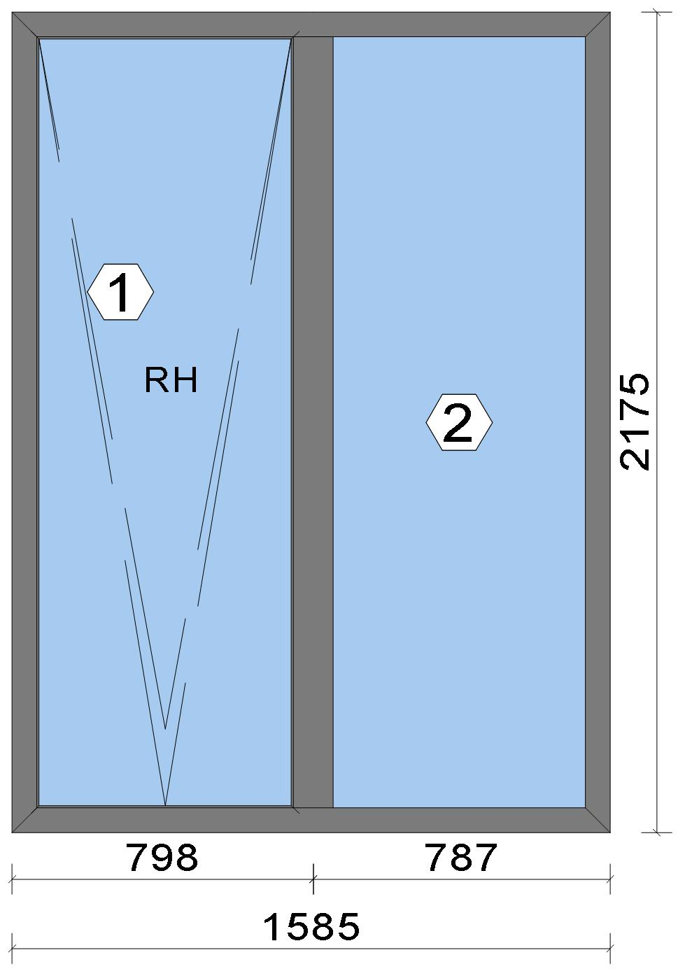
Stated quantities refer to one position each.

Warning!:

The current height is greater than the maximum allowed height (1800 mm) of the sash profile!

Glass
Description |  |  |  |  |  |  |  |  |  |  | Area [m²] |  |  |  | Dimension [mm] |  | Quantity [Pcs.] |  |  | Price [£]

4mm TG TGH STD, 40 mm |  |  |  |  |  |  |  |  |  |  | 1.42 (1.44) |  |  |  | 691 x 2,055 |  | 1 |  |  | 149.72
4mm TG TGH STD, 40 mm |  |  |  |  |  |  |  |  |  |  | 1.46 (1.48) |  |  |  | 703 x 2,078 |  | 1 |  |  | 153.34
Total: |  |  |  |  |  |  |  |  |  |  | 2.88 (2.92) |  |  |  |  |  | 2 |  |  | 303.06

Summary
Description |  |  |  |  |  |  |  |  |  |  |  |  |  |  |  |  |  | [£]
Profiles incl. Coating |  |  |  |  |  |  |  |  |  |  |  |  |  |  |  |  |  | 167.46
Finish |  |  |  |  |  |  |  |  |  |  |  |  |  |  |  |  |  | 28.68
Accessories |  |  |  |  |  |  |  |  |  |  |  |  |  |  |  |  |  | 28.24
Hardware |  |  |  |  |  |  |  |  |  |  |  |  |  |  |  |  |  | 126.12
Gaskets |  |  |  |  |  |  |  |  |  |  |  |  |  |  |  |  |  | 31.46
Small materials |  |  |  |  |  |  |  |  |  |  |  |  |  |  |  |  |  | 0.00
Total Material |  |  |  |  |  |  |  |  |  |  |  |  |  |  |  |  |  | 381.96

Glass |  |  |  |  |  |  |  |  |  |  |  |  |  |  |  |  |  | 303.06
Insertion Costs Glass |  |  |  |  |  |  |  |  |  |  |  |  |  |  |  |  |  | 0.00
Insertion Costs Panel |  |  |  |  |  |  |  |  |  |  |  |  |  |  |  |  |  | 0.00
Total Glass |  |  |  |  |  |  |  |  |  |  |  |  |  |  |  |  |  | 303.06

Outer frame corner |  |  |  |  |  |  |  |  |  |  |  |  |  |  |  |  |  | 41.67

 |  |  |  |  | Logikal 12.6 - ORGADATA AG , Am Nesseufer 14, 26789 Leer, Germany, +49 491 92782-500
 |  |  |  |  |  |  |  |  | Page: 5 from 43

 |  |  |  |  | Please check all results for plausibility. We do not take responsibility for any errors.

 | Estimation |  |  |  |  |  |  |  |  |  |  | Date: |  | 15/10/2026 / 16:30
 |  |  |  |  |  |  |  |  |  |  |  | Project: |  | Birch Hollow

Sash Corners |  |  |  |  |  |  |  |  |  |  |  |  |  |  |  |  |  | 71.67
T-Junction |  |  |  |  |  |  |  |  |  |  |  |  |  |  |  |  |  | 37.50
Installation |  |  |  |  |  |  |  |  |  |  |  |  |  |  |  |  |  | 0.00
Total Wages |  |  |  |  |  |  |  |  |  |  |  |  |  |  |  |  |  | 150.84

Extra costs |  |  |  |  |  |  |  |  |  |  |  |  |  |  |  |  |  | 0.00
Net Total |  |  |  |  |  |  |  |  |  |  |  |  |  |  |  |  |  | 835.86

Total Costs |  |  |  |  |  |  |  |  |  |  |  |  |  |  |  |  |  | 835.86

Profit on material |  |  |  |  |  |  |  |  |  |  |  |  |  |  |  |  |  | 0.00
Profit on glass purchase |  |  |  |  |  |  |  |  |  |  |  |  |  |  |  |  |  | 0.00
Profit on wages |  |  |  |  |  |  |  |  |  |  |  |  |  |  |  |  |  | 0.00
Profit on other costs |  |  |  |  |  |  |  |  |  |  |  |  |  |  |  |  |  | 0.00
Estimated price |  |  |  |  |  |  |  |  |  |  |  |  |  |  |  |  |  | 835.86

Position area: |  |  |  |  |  |  |  |  |  |  |  |  |  |  |  |  |  | 3.45 m²
Estimated price / m² |  |  |  |  |  |  |  |  |  |  |  |  |  |  |  |  |  | 242.49 £
Weight / Profiles |  |  |  |  |  |  |  |  |  |  |  |  |  |  |  |  |  | 27.60 kg
Weight / Glass |  |  |  |  |  |  |  |  |  |  |  |  |  |  |  |  |  | 86.45 kg
Weight for estimation |  |  |  |  |  |  |  |  |  |  |  |  |  |  |  |  |  | 114.05 kg

Note |  |  |  |  |  | While calculating this position the following facts were discovered which may cause a slightly too high or too low estimation result.

> |  | Hardware of at least one insertion does not fulfil all conditions. Please check selected hardware.

 |  |  |  |  | Logikal 12.6 - ORGADATA AG , Am Nesseufer 14, 26789 Leer, Germany, +49 491 92782-500
 |  |  |  |  |  |  |  |  | Page: 6 from 43

 |  |  |  |  | Please check all results for plausibility. We do not take responsibility for any errors.

 | Estimation |  |  |  |  |  |  |  |  |  |  | Date: |  | 15/10/2026 / 16:30
 |  |  |  |  |  |  |  |  |  |  |  | Project: |  | Birch Hollow

 |  |  |  |  |  |  |  |  |  |  |  |  |  |  |  | Administrator CORTIZO - September 2026 QUOTES\B\

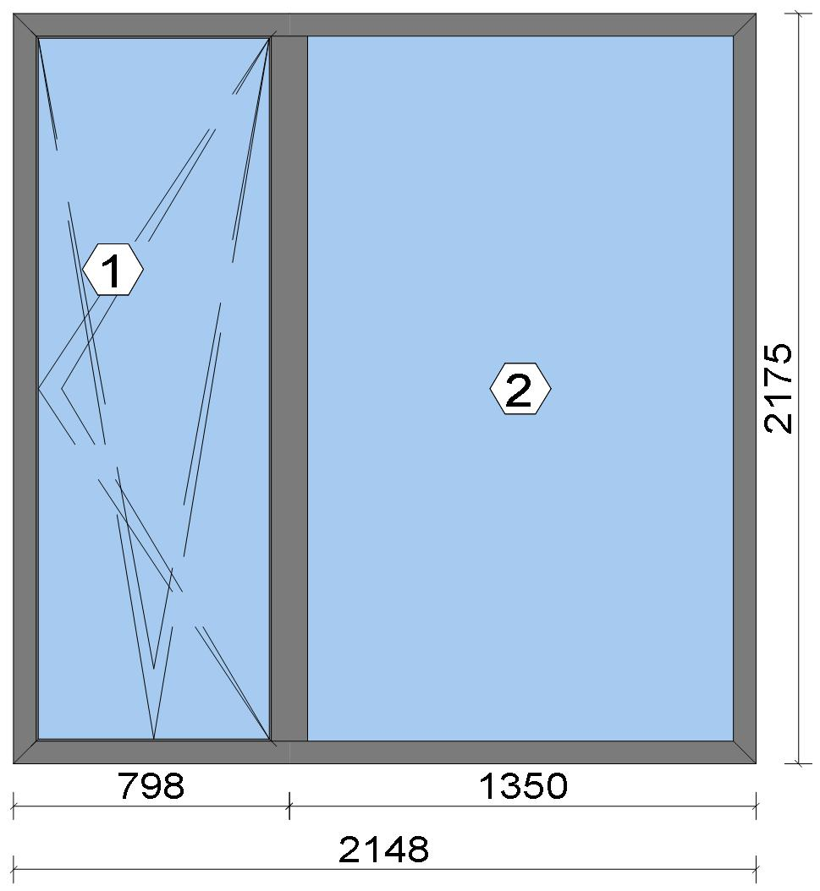
Stated quantities refer to one position each.
Glass
Description |  |  |  |  |  |  |  |  |  |  | Area [m²] |  |  |  | Dimension [mm] |  | Quantity [Pcs.] |  |  | Price [£]

4mm TG TGH STD, 40 mm |  |  |  |  |  |  |  |  |  |  | 1.42 (1.44) |  |  |  | 691 x 2,055 |  | 1 |  |  | 149.72
4mm TG TGH STD, 40 mm |  |  |  |  |  |  |  |  |  |  | 2.63 (2.64) |  |  |  | 1,266 x 2,078 |  | 1 |  |  | 274.28
Total: |  |  |  |  |  |  |  |  |  |  | 4.05 (4.08) |  |  |  |  |  | 2 |  |  | 424.00

Summary
Description |  |  |  |  |  |  |  |  |  |  |  |  |  |  |  |  |  | [£]
Profiles incl. Coating |  |  |  |  |  |  |  |  |  |  |  |  |  |  |  |  |  | 180.55
Finish |  |  |  |  |  |  |  |  |  |  |  |  |  |  |  |  |  | 31.36
Accessories |  |  |  |  |  |  |  |  |  |  |  |  |  |  |  |  |  | 26.56
Hardware |  |  |  |  |  |  |  |  |  |  |  |  |  |  |  |  |  | 102.26
Gaskets |  |  |  |  |  |  |  |  |  |  |  |  |  |  |  |  |  | 34.63
Small materials |  |  |  |  |  |  |  |  |  |  |  |  |  |  |  |  |  | 0.00
Total Material |  |  |  |  |  |  |  |  |  |  |  |  |  |  |  |  |  | 375.36

Glass |  |  |  |  |  |  |  |  |  |  |  |  |  |  |  |  |  | 424.00
Insertion Costs Glass |  |  |  |  |  |  |  |  |  |  |  |  |  |  |  |  |  | 0.00
Insertion Costs Panel |  |  |  |  |  |  |  |  |  |  |  |  |  |  |  |  |  | 0.00
Total Glass |  |  |  |  |  |  |  |  |  |  |  |  |  |  |  |  |  | 424.00

Outer frame corner |  |  |  |  |  |  |  |  |  |  |  |  |  |  |  |  |  | 41.67
Sash Corners |  |  |  |  |  |  |  |  |  |  |  |  |  |  |  |  |  | 71.67
T-Junction |  |  |  |  |  |  |  |  |  |  |  |  |  |  |  |  |  | 37.50
Installation |  |  |  |  |  |  |  |  |  |  |  |  |  |  |  |  |  | 0.00
Total Wages |  |  |  |  |  |  |  |  |  |  |  |  |  |  |  |  |  | 150.84

Extra costs |  |  |  |  |  |  |  |  |  |  |  |  |  |  |  |  |  | 0.00
Net Total |  |  |  |  |  |  |  |  |  |  |  |  |  |  |  |  |  | 950.20

Total Costs |  |  |  |  |  |  |  |  |  |  |  |  |  |  |  |  |  | 950.20

 |  |  |  |  | Logikal 12.6 - ORGADATA AG , Am Nesseufer 14, 26789 Leer, Germany, +49 491 92782-500
 |  |  |  |  |  |  |  |  | Page: 7 from 43

 |  |  |  |  | Please check all results for plausibility. We do not take responsibility for any errors.

 | Estimation |  |  |  |  |  |  |  |  |  |  | Date: |  | 15/10/2026 / 16:30
 |  |  |  |  |  |  |  |  |  |  |  | Project: |  | Birch Hollow

Profit on material |  |  |  |  |  |  |  |  |  |  |  |  |  |  |  |  |  | 0.00
Profit on glass purchase |  |  |  |  |  |  |  |  |  |  |  |  |  |  |  |  |  | 0.00
Profit on wages |  |  |  |  |  |  |  |  |  |  |  |  |  |  |  |  |  | 0.00
Profit on other costs |  |  |  |  |  |  |  |  |  |  |  |  |  |  |  |  |  | 0.00
Estimated price |  |  |  |  |  |  |  |  |  |  |  |  |  |  |  |  |  | 950.20

Position area: |  |  |  |  |  |  |  |  |  |  |  |  |  |  |  |  |  | 4.67 m²
Estimated price / m² |  |  |  |  |  |  |  |  |  |  |  |  |  |  |  |  |  | 203.38 £
Weight / Profiles |  |  |  |  |  |  |  |  |  |  |  |  |  |  |  |  |  | 29.84 kg
Weight / Glass |  |  |  |  |  |  |  |  |  |  |  |  |  |  |  |  |  | 121.54 kg
Weight for estimation |  |  |  |  |  |  |  |  |  |  |  |  |  |  |  |  |  | 151.39 kg

 |  |  |  |  | Logikal 12.6 - ORGADATA AG , Am Nesseufer 14, 26789 Leer, Germany, +49 491 92782-500
 |  |  |  |  |  |  |  |  | Page: 8 from 43

 |  |  |  |  | Please check all results for plausibility. We do not take responsibility for any errors.

 | Estimation |  |  |  |  |  |  |  |  |  |  | Date: |  | 15/10/2026 / 16:30
 |  |  |  |  |  |  |  |  |  |  |  | Project: |  | Birch Hollow

 |  |  |  |  |  |  |  |  |  |  |  |  |  |  |  | Administrator CORTIZO - September 2026 QUOTES\B\

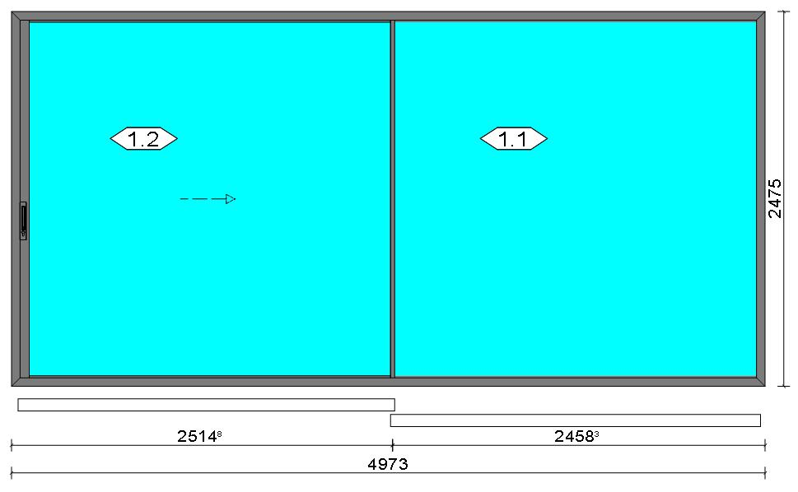
Stated quantities refer to one position each.
Glass
Description |  |  |  |  |  |  |  |  |  |  | Area [m²] |  |  |  | Dimension [mm] |  | Quantity [Pcs.] |  |  | Price [£]

6mm/8.8mm DG LAM SIL (4m2 to 5.99m2), 38 mm |  |  |  |  |  |  |  |  |  |  | 5.70 (5.74) |  |  |  | 2,413 x 2,361 |  | 2 |  |  | 1,009.43
Total: |  |  |  |  |  |  |  |  |  |  | 11.40 (11.47) |  |  |  |  |  | 2 |  |  | 1,009.43

Summary
Description |  |  |  |  |  |  |  |  |  |  |  |  |  |  |  |  |  | [£]
Profiles incl. Coating |  |  |  |  |  |  |  |  |  |  |  |  |  |  |  |  |  | 707.81
Finish |  |  |  |  |  |  |  |  |  |  |  |  |  |  |  |  |  | 106.88
Accessories |  |  |  |  |  |  |  |  |  |  |  |  |  |  |  |  |  | 80.93
Hardware |  |  |  |  |  |  |  |  |  |  |  |  |  |  |  |  |  | 159.39
Gaskets |  |  |  |  |  |  |  |  |  |  |  |  |  |  |  |  |  | 33.02
Small materials |  |  |  |  |  |  |  |  |  |  |  |  |  |  |  |  |  | 0.00
Total Material |  |  |  |  |  |  |  |  |  |  |  |  |  |  |  |  |  | 1,088.03

Glass |  |  |  |  |  |  |  |  |  |  |  |  |  |  |  |  |  | 1,009.43
Insertion Costs Glass |  |  |  |  |  |  |  |  |  |  |  |  |  |  |  |  |  | 0.00
Insertion Costs Panel |  |  |  |  |  |  |  |  |  |  |  |  |  |  |  |  |  | 0.00
Total Glass |  |  |  |  |  |  |  |  |  |  |  |  |  |  |  |  |  | 1,009.43

Outer frame corner |  |  |  |  |  |  |  |  |  |  |  |  |  |  |  |  |  | 0.00
Sash Corners |  |  |  |  |  |  |  |  |  |  |  |  |  |  |  |  |  | 350.00
Outer Frame field |  |  |  |  |  |  |  |  |  |  |  |  |  |  |  |  |  | 345.00
Installation |  |  |  |  |  |  |  |  |  |  |  |  |  |  |  |  |  | 0.00
Total Wages |  |  |  |  |  |  |  |  |  |  |  |  |  |  |  |  |  | 695.00

Extra costs |  |  |  |  |  |  |  |  |  |  |  |  |  |  |  |  |  | 0.00
Net Total |  |  |  |  |  |  |  |  |  |  |  |  |  |  |  |  |  | 2,792.46

Total Costs |  |  |  |  |  |  |  |  |  |  |  |  |  |  |  |  |  | 2,792.46

Profit on material |  |  |  |  |  |  |  |  |  |  |  |  |  |  |  |  |  | 0.00
Profit on glass purchase |  |  |  |  |  |  |  |  |  |  |  |  |  |  |  |  |  | 0.00
Profit on wages |  |  |  |  |  |  |  |  |  |  |  |  |  |  |  |  |  | 0.00
Profit on other costs |  |  |  |  |  |  |  |  |  |  |  |  |  |  |  |  |  | 0.00
Estimated price |  |  |  |  |  |  |  |  |  |  |  |  |  |  |  |  |  | 2,792.46

Position area: |  |  |  |  |  |  |  |  |  |  |  |  |  |  |  |  |  | 12.31 m²
Estimated price / m² |  |  |  |  |  |  |  |  |  |  |  |  |  |  |  |  |  | 226.88 £
Weight / Profiles |  |  |  |  |  |  |  |  |  |  |  |  |  |  |  |  |  | 107.90 kg

 |  |  |  |  | Logikal 12.6 - ORGADATA AG , Am Nesseufer 14, 26789 Leer, Germany, +49 491 92782-500
 |  |  |  |  |  |  |  |  | Page: 9 from 43

 |  |  |  |  | Please check all results for plausibility. We do not take responsibility for any errors.

 | Estimation |  |  |  |  |  |  |  |  |  |  | Date: |  | 15/10/2026 / 16:30
 |  |  |  |  |  |  |  |  |  |  |  | Project: |  | Birch Hollow

Weight / Glass |  |  |  |  |  |  |  |  |  |  |  |  |  |  |  |  |  | 398.84 kg
Weight for estimation |  |  |  |  |  |  |  |  |  |  |  |  |  |  |  |  |  | 506.74 kg

Note |  |  |  |  |  | While calculating this position the following facts were discovered which may cause a slightly too high or too low estimation result.

> |  | COR 0009 - Por favor, compruebe las dimensiones de los perfiles de tapeta . Please check the cover profile dimensions. Merci de vérifier les dimensions des capots.

 |  |  |  |  | Logikal 12.6 - ORGADATA AG , Am Nesseufer 14, 26789 Leer, Germany, +49 491 92782-500
 |  |  |  |  |  |  |  |  | Page: 10 from 43

 |  |  |  |  | Please check all results for plausibility. We do not take responsibility for any errors.

 | Estimation |  |  |  |  |  |  |  |  |  |  | Date: |  | 15/10/2026 / 16:30
 |  |  |  |  |  |  |  |  |  |  |  | Project: |  | Birch Hollow

 |  |  |  |  |  |  |  |  |  |  |  |  |  |  |  | Administrator CORTIZO - September 2026 QUOTES\B\

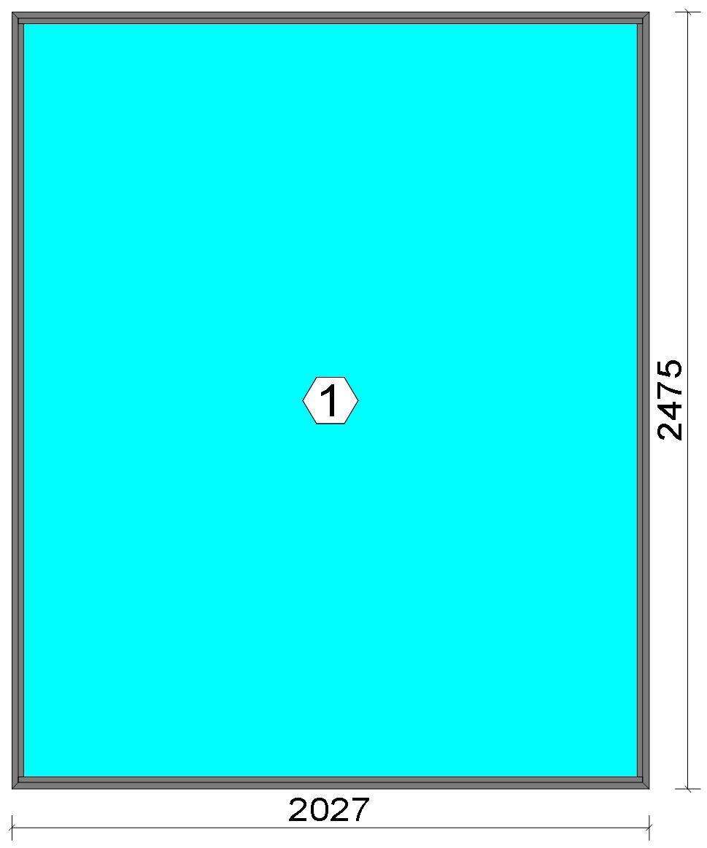
Stated quantities refer to one position each.
Glass
Description |  |  |  |  |  |  |  |  |  |  | Area [m²] |  |  |  | Dimension [mm] |  | Quantity [Pcs.] |  |  | Price [£]

6mm TG TGH 0.8, 42 mm |  |  |  |  |  |  |  |  |  |  | 4.79 (4.81) |  |  |  | 1,975 x 2,423 |  | 1 |  |  | 625.48
Total: |  |  |  |  |  |  |  |  |  |  | 4.79 (4.81) |  |  |  |  |  | 1 |  |  | 625.48

Summary
Description |  |  |  |  |  |  |  |  |  |  |  |  |  |  |  |  |  | [£]
Profiles incl. Coating |  |  |  |  |  |  |  |  |  |  |  |  |  |  |  |  |  | 85.59
Finish |  |  |  |  |  |  |  |  |  |  |  |  |  |  |  |  |  | 15.88
Accessories |  |  |  |  |  |  |  |  |  |  |  |  |  |  |  |  |  | 8.58
Hardware |  |  |  |  |  |  |  |  |  |  |  |  |  |  |  |  |  | 0.00
Gaskets |  |  |  |  |  |  |  |  |  |  |  |  |  |  |  |  |  | 11.22
Small materials |  |  |  |  |  |  |  |  |  |  |  |  |  |  |  |  |  | 0.00
Total Material |  |  |  |  |  |  |  |  |  |  |  |  |  |  |  |  |  | 121.27

Glass |  |  |  |  |  |  |  |  |  |  |  |  |  |  |  |  |  | 625.48
Insertion Costs Glass |  |  |  |  |  |  |  |  |  |  |  |  |  |  |  |  |  | 0.00
Insertion Costs Panel |  |  |  |  |  |  |  |  |  |  |  |  |  |  |  |  |  | 0.00
Total Glass |  |  |  |  |  |  |  |  |  |  |  |  |  |  |  |  |  | 625.48

Outer frame corner |  |  |  |  |  |  |  |  |  |  |  |  |  |  |  |  |  | 25.00
Installation |  |  |  |  |  |  |  |  |  |  |  |  |  |  |  |  |  | 0.00
Total Wages |  |  |  |  |  |  |  |  |  |  |  |  |  |  |  |  |  | 25.00

Extra costs |  |  |  |  |  |  |  |  |  |  |  |  |  |  |  |  |  | 0.00
Net Total |  |  |  |  |  |  |  |  |  |  |  |  |  |  |  |  |  | 771.75

Total Costs |  |  |  |  |  |  |  |  |  |  |  |  |  |  |  |  |  | 771.75

Profit on material |  |  |  |  |  |  |  |  |  |  |  |  |  |  |  |  |  | 0.00
Profit on glass purchase |  |  |  |  |  |  |  |  |  |  |  |  |  |  |  |  |  | 0.00

 |  |  |  |  | Logikal 12.6 - ORGADATA AG , Am Nesseufer 14, 26789 Leer, Germany, +49 491 92782-500
 |  |  |  |  |  |  |  |  | Page: 11 from 43

 |  |  |  |  | Please check all results for plausibility. We do not take responsibility for any errors.

 | Estimation |  |  |  |  |  |  |  |  |  |  | Date: |  | 15/10/2026 / 16:30
 |  |  |  |  |  |  |  |  |  |  |  | Project: |  | Birch Hollow

Profit on wages |  |  |  |  |  |  |  |  |  |  |  |  |  |  |  |  |  | 0.00
Profit on other costs |  |  |  |  |  |  |  |  |  |  |  |  |  |  |  |  |  | 0.00
Estimated price |  |  |  |  |  |  |  |  |  |  |  |  |  |  |  |  |  | 771.75

Position area: |  |  |  |  |  |  |  |  |  |  |  |  |  |  |  |  |  | 5.02 m²
Estimated price / m² |  |  |  |  |  |  |  |  |  |  |  |  |  |  |  |  |  | 153.83 £
Weight / Profiles |  |  |  |  |  |  |  |  |  |  |  |  |  |  |  |  |  | 14.22 kg
Weight / Glass |  |  |  |  |  |  |  |  |  |  |  |  |  |  |  |  |  | 215.34 kg
Weight for estimation |  |  |  |  |  |  |  |  |  |  |  |  |  |  |  |  |  | 229.56 kg

 |  |  |  |  | Logikal 12.6 - ORGADATA AG , Am Nesseufer 14, 26789 Leer, Germany, +49 491 92782-500
 |  |  |  |  |  |  |  |  | Page: 12 from 43

 |  |  |  |  | Please check all results for plausibility. We do not take responsibility for any errors.

 | Estimation |  |  |  |  |  |  |  |  |  |  | Date: |  | 15/10/2026 / 16:30
 |  |  |  |  |  |  |  |  |  |  |  | Project: |  | Birch Hollow

 |  |  |  |  |  |  |  |  |  |  |  |  |  |  |  | Administrator CORTIZO - September 2026 QUOTES\B\

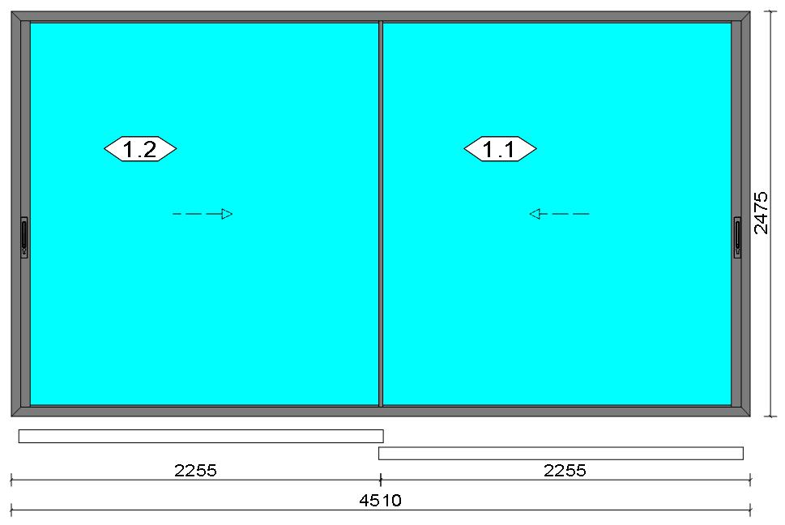
Stated quantities refer to one position each.
Glass
Description |  |  |  |  |  |  |  |  |  |  | Area [m²] |  |  |  | Dimension [mm] |  | Quantity [Pcs.] |  |  | Price [£]

6mm TG TGH 0.8, 42 mm |  |  |  |  |  |  |  |  |  |  | 5.08 (5.12) |  |  |  | 2,154 x 2,361 |  | 2 |  |  | 1,330.99
Total: |  |  |  |  |  |  |  |  |  |  | 10.17 (10.24) |  |  |  |  |  | 2 |  |  | 1,330.99

Summary
Description |  |  |  |  |  |  |  |  |  |  |  |  |  |  |  |  |  | [£]
Profiles incl. Coating |  |  |  |  |  |  |  |  |  |  |  |  |  |  |  |  |  | 741.36
Finish |  |  |  |  |  |  |  |  |  |  |  |  |  |  |  |  |  | 103.80
Accessories |  |  |  |  |  |  |  |  |  |  |  |  |  |  |  |  |  | 72.69
Hardware |  |  |  |  |  |  |  |  |  |  |  |  |  |  |  |  |  | 299.61
Gaskets |  |  |  |  |  |  |  |  |  |  |  |  |  |  |  |  |  | 39.64
Small materials |  |  |  |  |  |  |  |  |  |  |  |  |  |  |  |  |  | 0.00
Total Material |  |  |  |  |  |  |  |  |  |  |  |  |  |  |  |  |  | 1,257.10

Glass |  |  |  |  |  |  |  |  |  |  |  |  |  |  |  |  |  | 1,330.99
Insertion Costs Glass |  |  |  |  |  |  |  |  |  |  |  |  |  |  |  |  |  | 0.00
Insertion Costs Panel |  |  |  |  |  |  |  |  |  |  |  |  |  |  |  |  |  | 0.00
Total Glass |  |  |  |  |  |  |  |  |  |  |  |  |  |  |  |  |  | 1,330.99

Outer frame corner |  |  |  |  |  |  |  |  |  |  |  |  |  |  |  |  |  | 0.00
Sash Corners |  |  |  |  |  |  |  |  |  |  |  |  |  |  |  |  |  | 350.00
Outer Frame field |  |  |  |  |  |  |  |  |  |  |  |  |  |  |  |  |  | 345.00
Installation |  |  |  |  |  |  |  |  |  |  |  |  |  |  |  |  |  | 0.00
Total Wages |  |  |  |  |  |  |  |  |  |  |  |  |  |  |  |  |  | 695.00

Extra costs |  |  |  |  |  |  |  |  |  |  |  |  |  |  |  |  |  | 0.00
Net Total |  |  |  |  |  |  |  |  |  |  |  |  |  |  |  |  |  | 3,283.09

Total Costs |  |  |  |  |  |  |  |  |  |  |  |  |  |  |  |  |  | 3,283.09

Profit on material |  |  |  |  |  |  |  |  |  |  |  |  |  |  |  |  |  | 0.00
Profit on glass purchase |  |  |  |  |  |  |  |  |  |  |  |  |  |  |  |  |  | 0.00
Profit on wages |  |  |  |  |  |  |  |  |  |  |  |  |  |  |  |  |  | 0.00
Profit on other costs |  |  |  |  |  |  |  |  |  |  |  |  |  |  |  |  |  | 0.00
Estimated price |  |  |  |  |  |  |  |  |  |  |  |  |  |  |  |  |  | 3,283.09

Position area: |  |  |  |  |  |  |  |  |  |  |  |  |  |  |  |  |  | 11.16 m²
Estimated price / m² |  |  |  |  |  |  |  |  |  |  |  |  |  |  |  |  |  | 294.13 £
Weight / Profiles |  |  |  |  |  |  |  |  |  |  |  |  |  |  |  |  |  | 106.86 kg

 |  |  |  |  | Logikal 12.6 - ORGADATA AG , Am Nesseufer 14, 26789 Leer, Germany, +49 491 92782-500
 |  |  |  |  |  |  |  |  | Page: 13 from 43

 |  |  |  |  | Please check all results for plausibility. We do not take responsibility for any errors.

 | Estimation |  |  |  |  |  |  |  |  |  |  | Date: |  | 15/10/2026 / 16:30
 |  |  |  |  |  |  |  |  |  |  |  | Project: |  | Birch Hollow

Weight / Glass |  |  |  |  |  |  |  |  |  |  |  |  |  |  |  |  |  | 457.60 kg
Weight for estimation |  |  |  |  |  |  |  |  |  |  |  |  |  |  |  |  |  | 564.46 kg

Note |  |  |  |  |  | While calculating this position the following facts were discovered which may cause a slightly too high or too low estimation result.

> |  | COR 0009 - Por favor, compruebe las dimensiones de los perfiles de tapeta . Please check the cover profile dimensions. Merci de vérifier les dimensions des capots.

 |  |  |  |  | Logikal 12.6 - ORGADATA AG , Am Nesseufer 14, 26789 Leer, Germany, +49 491 92782-500
 |  |  |  |  |  |  |  |  | Page: 14 from 43

 |  |  |  |  | Please check all results for plausibility. We do not take responsibility for any errors.

 | Estimation |  |  |  |  |  |  |  |  |  |  | Date: |  | 15/10/2026 / 16:30
 |  |  |  |  |  |  |  |  |  |  |  | Project: |  | Birch Hollow

 |  |  |  |  |  |  |  |  |  |  |  |  |  |  |  | Administrator CORTIZO - September 2026 QUOTES\B\

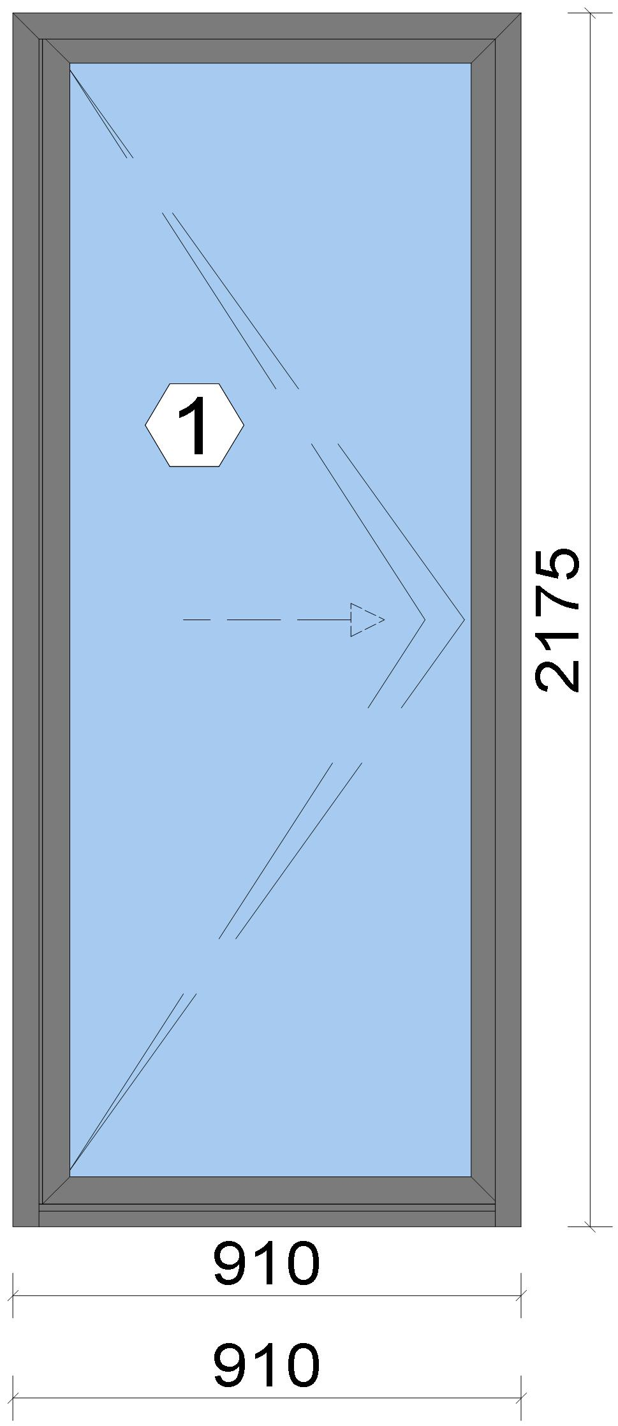

Stated quantities refer to one position each.
Glass
Description |  |  |  |  |  |  |  |  |  |  | Area [m²] |  |  |  | Dimension [mm] |  | Quantity [Pcs.] |  |  | Price [£]

4mm TG TGH STD, 42 mm |  |  |  |  |  |  |  |  |  |  | 1.50 (1.52) |  |  |  | 743 x 2,020 |  | 1 |  |  | 157.30
Total: |  |  |  |  |  |  |  |  |  |  | 1.50 (1.52) |  |  |  |  |  | 1 |  |  | 157.30

Summary
Description |  |  |  |  |  |  |  |  |  |  |  |  |  |  |  |  |  | [£]
Profiles incl. Coating |  |  |  |  |  |  |  |  |  |  |  |  |  |  |  |  |  | 176.29

 |  |  |  |  | Logikal 12.6 - ORGADATA AG , Am Nesseufer 14, 26789 Leer, Germany, +49 491 92782-500
 |  |  |  |  |  |  |  |  | Page: 15 from 43

 |  |  |  |  | Please check all results for plausibility. We do not take responsibility for any errors.

 | Estimation |  |  |  |  |  |  |  |  |  |  | Date: |  | 15/10/2026 / 16:30
 |  |  |  |  |  |  |  |  |  |  |  | Project: |  | Birch Hollow

Finish |  |  |  |  |  |  |  |  |  |  |  |  |  |  |  |  |  | 24.93
Accessories |  |  |  |  |  |  |  |  |  |  |  |  |  |  |  |  |  | 23.47
Hardware |  |  |  |  |  |  |  |  |  |  |  |  |  |  |  |  |  | 246.47
Gaskets |  |  |  |  |  |  |  |  |  |  |  |  |  |  |  |  |  | 18.08
Small materials |  |  |  |  |  |  |  |  |  |  |  |  |  |  |  |  |  | 0.00
Total Material |  |  |  |  |  |  |  |  |  |  |  |  |  |  |  |  |  | 489.24

Glass |  |  |  |  |  |  |  |  |  |  |  |  |  |  |  |  |  | 157.30
Insertion Costs Glass |  |  |  |  |  |  |  |  |  |  |  |  |  |  |  |  |  | 0.00
Insertion Costs Panel |  |  |  |  |  |  |  |  |  |  |  |  |  |  |  |  |  | 0.00
Total Glass |  |  |  |  |  |  |  |  |  |  |  |  |  |  |  |  |  | 157.30

Outer frame corner |  |  |  |  |  |  |  |  |  |  |  |  |  |  |  |  |  | 73.33
Sash Corners |  |  |  |  |  |  |  |  |  |  |  |  |  |  |  |  |  | 73.33
Installation |  |  |  |  |  |  |  |  |  |  |  |  |  |  |  |  |  | 0.00
Total Wages |  |  |  |  |  |  |  |  |  |  |  |  |  |  |  |  |  | 146.66

Extra costs |  |  |  |  |  |  |  |  |  |  |  |  |  |  |  |  |  | 0.00
Net Total |  |  |  |  |  |  |  |  |  |  |  |  |  |  |  |  |  | 793.20

Total Costs |  |  |  |  |  |  |  |  |  |  |  |  |  |  |  |  |  | 793.20

Profit on material |  |  |  |  |  |  |  |  |  |  |  |  |  |  |  |  |  | 0.00
Profit on glass purchase |  |  |  |  |  |  |  |  |  |  |  |  |  |  |  |  |  | 0.00
Profit on wages |  |  |  |  |  |  |  |  |  |  |  |  |  |  |  |  |  | 0.00
Profit on other costs |  |  |  |  |  |  |  |  |  |  |  |  |  |  |  |  |  | 0.00
Estimated price |  |  |  |  |  |  |  |  |  |  |  |  |  |  |  |  |  | 793.20

Position area: |  |  |  |  |  |  |  |  |  |  |  |  |  |  |  |  |  | 1.98 m²
Estimated price / m² |  |  |  |  |  |  |  |  |  |  |  |  |  |  |  |  |  | 400.81 £
Weight / Profiles |  |  |  |  |  |  |  |  |  |  |  |  |  |  |  |  |  | 29.06 kg
Weight / Glass |  |  |  |  |  |  |  |  |  |  |  |  |  |  |  |  |  | 45.03 kg
Weight for estimation |  |  |  |  |  |  |  |  |  |  |  |  |  |  |  |  |  | 74.08 kg

 |  |  |  |  | Logikal 12.6 - ORGADATA AG , Am Nesseufer 14, 26789 Leer, Germany, +49 491 92782-500
 |  |  |  |  |  |  |  |  | Page: 16 from 43

 |  |  |  |  | Please check all results for plausibility. We do not take responsibility for any errors.

 | Estimation |  |  |  |  |  |  |  |  |  |  | Date: |  | 15/10/2026 / 16:30
 |  |  |  |  |  |  |  |  |  |  |  | Project: |  | Birch Hollow

 |  |  |  |  |  |  |  |  |  |  |  |  |  |  |  | Administrator CORTIZO - September 2026 QUOTES\B\

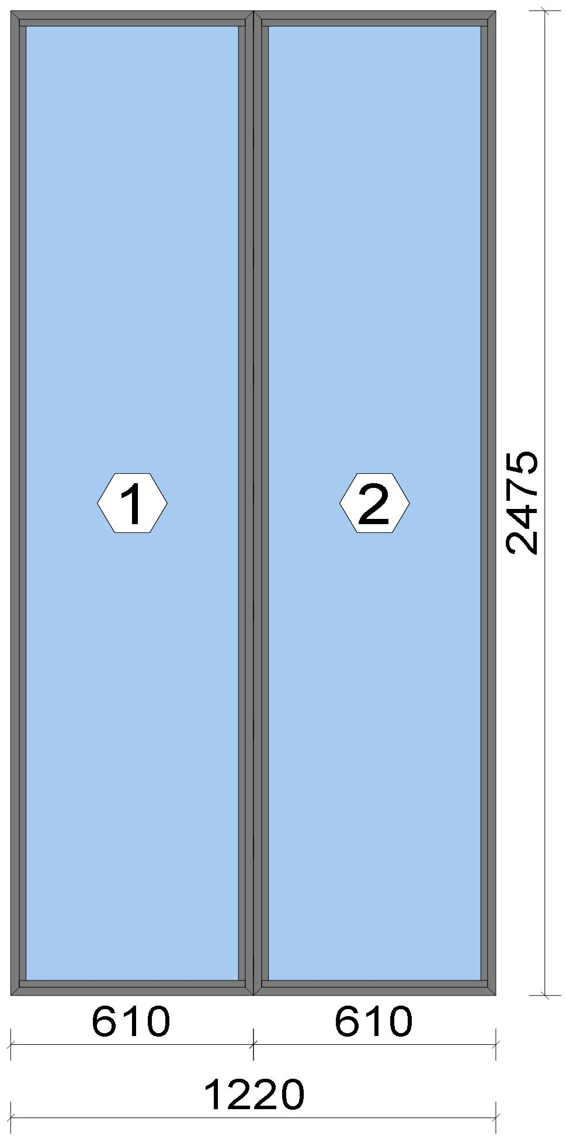

Stated quantities refer to one position each.
Glass
Description |  |  |  |  |  |  |  |  |  |  | Area [m²] |  |  |  | Dimension [mm] |  | Quantity [Pcs.] |  |  | Price [£]

4mm TG TGH STD, 42 mm |  |  |  |  |  |  |  |  |  |  | 1.35 (1.36) |  |  |  | 558 x 2,423 |  | 2 |  |  | 282.58
Total: |  |  |  |  |  |  |  |  |  |  | 2.70 (2.72) |  |  |  |  |  | 2 |  |  | 282.58

Summary
Description |  |  |  |  |  |  |  |  |  |  |  |  |  |  |  |  |  | [£]
Profiles incl. Coating |  |  |  |  |  |  |  |  |  |  |  |  |  |  |  |  |  | 117.13
Finish |  |  |  |  |  |  |  |  |  |  |  |  |  |  |  |  |  | 21.70
Accessories |  |  |  |  |  |  |  |  |  |  |  |  |  |  |  |  |  | 16.49
Hardware |  |  |  |  |  |  |  |  |  |  |  |  |  |  |  |  |  | 0.00
Gaskets |  |  |  |  |  |  |  |  |  |  |  |  |  |  |  |  |  | 15.14
Small materials |  |  |  |  |  |  |  |  |  |  |  |  |  |  |  |  |  | 0.00

 |  |  |  |  | Logikal 12.6 - ORGADATA AG , Am Nesseufer 14, 26789 Leer, Germany, +49 491 92782-500
 |  |  |  |  |  |  |  |  | Page: 17 from 43

 |  |  |  |  | Please check all results for plausibility. We do not take responsibility for any errors.

 | Estimation |  |  |  |  |  |  |  |  |  |  | Date: |  | 15/10/2026 / 16:30
 |  |  |  |  |  |  |  |  |  |  |  | Project: |  | Birch Hollow

Total Material |  |  |  |  |  |  |  |  |  |  |  |  |  |  |  |  |  | 170.46

Glass |  |  |  |  |  |  |  |  |  |  |  |  |  |  |  |  |  | 282.58
Insertion Costs Glass |  |  |  |  |  |  |  |  |  |  |  |  |  |  |  |  |  | 0.00
Insertion Costs Panel |  |  |  |  |  |  |  |  |  |  |  |  |  |  |  |  |  | 0.00
Total Glass |  |  |  |  |  |  |  |  |  |  |  |  |  |  |  |  |  | 282.58

Outer frame corner |  |  |  |  |  |  |  |  |  |  |  |  |  |  |  |  |  | 25.00
Installation |  |  |  |  |  |  |  |  |  |  |  |  |  |  |  |  |  | 0.00
Total Wages |  |  |  |  |  |  |  |  |  |  |  |  |  |  |  |  |  | 25.00

Extra costs |  |  |  |  |  |  |  |  |  |  |  |  |  |  |  |  |  | 0.00
Net Total |  |  |  |  |  |  |  |  |  |  |  |  |  |  |  |  |  | 478.04

Total Costs |  |  |  |  |  |  |  |  |  |  |  |  |  |  |  |  |  | 478.04

Profit on material |  |  |  |  |  |  |  |  |  |  |  |  |  |  |  |  |  | 0.00
Profit on glass purchase |  |  |  |  |  |  |  |  |  |  |  |  |  |  |  |  |  | 0.00
Profit on wages |  |  |  |  |  |  |  |  |  |  |  |  |  |  |  |  |  | 0.00
Profit on other costs |  |  |  |  |  |  |  |  |  |  |  |  |  |  |  |  |  | 0.00
Estimated price |  |  |  |  |  |  |  |  |  |  |  |  |  |  |  |  |  | 478.04

Position area: |  |  |  |  |  |  |  |  |  |  |  |  |  |  |  |  |  | 3.02 m²
Estimated price / m² |  |  |  |  |  |  |  |  |  |  |  |  |  |  |  |  |  | 158.29 £
Weight / Profiles |  |  |  |  |  |  |  |  |  |  |  |  |  |  |  |  |  | 19.42 kg
Weight / Glass |  |  |  |  |  |  |  |  |  |  |  |  |  |  |  |  |  | 81.12 kg
Weight for estimation |  |  |  |  |  |  |  |  |  |  |  |  |  |  |  |  |  | 100.54 kg

 |  |  |  |  | Logikal 12.6 - ORGADATA AG , Am Nesseufer 14, 26789 Leer, Germany, +49 491 92782-500
 |  |  |  |  |  |  |  |  | Page: 18 from 43

 |  |  |  |  | Please check all results for plausibility. We do not take responsibility for any errors.

 | Estimation |  |  |  |  |  |  |  |  |  |  | Date: |  | 15/10/2026 / 16:30
 |  |  |  |  |  |  |  |  |  |  |  | Project: |  | Birch Hollow

 |  |  |  |  |  |  |  |  |  |  |  |  |  |  |  | Administrator CORTIZO - September 2026 QUOTES\B\

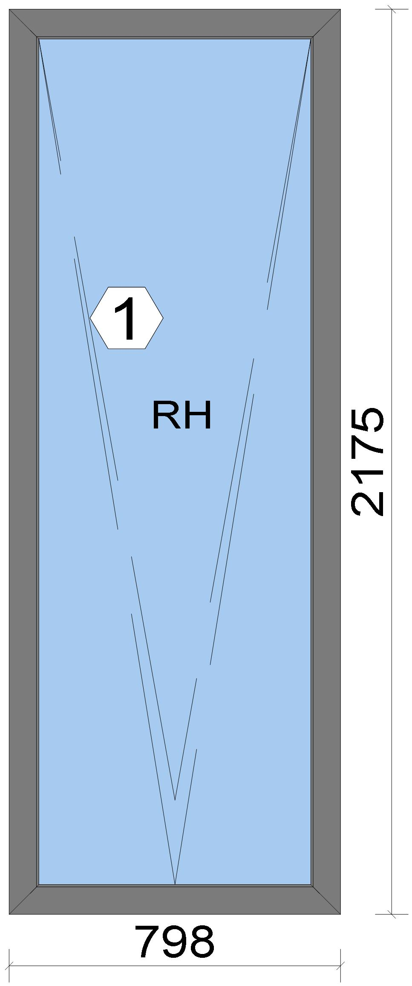

Stated quantities refer to one position each.

Warning!:

The current height is greater than the maximum allowed height (1800 mm) of the sash profile!

Glass
Description |  |  |  |  |  |  |  |  |  |  | Area [m²] |  |  |  | Dimension [mm] |  | Quantity [Pcs.] |  |  | Price [£]

4mm TG TGH STD, 40 mm |  |  |  |  |  |  |  |  |  |  | 1.39 (1.40) |  |  |  | 678 x 2,055 |  | 1 |  |  | 145.45

 |  |  |  |  | Logikal 12.6 - ORGADATA AG , Am Nesseufer 14, 26789 Leer, Germany, +49 491 92782-500
 |  |  |  |  |  |  |  |  | Page: 19 from 43

 |  |  |  |  | Please check all results for plausibility. We do not take responsibility for any errors.

 | Estimation |  |  |  |  |  |  |  |  |  |  | Date: |  | 15/10/2026 / 16:30
 |  |  |  |  |  |  |  |  |  |  |  | Project: |  | Birch Hollow

Description |  |  |  |  |  |  |  |  |  |  | Area [m²] |  |  |  | Dimension [mm] |  | Quantity [Pcs.] |  |  | Price [£]

Total: |  |  |  |  |  |  |  |  |  |  | 1.39 (1.40) |  |  |  |  |  | 1 |  |  | 145.45

Summary
Description |  |  |  |  |  |  |  |  |  |  |  |  |  |  |  |  |  | [£]
Profiles incl. Coating |  |  |  |  |  |  |  |  |  |  |  |  |  |  |  |  |  | 116.33
Finish |  |  |  |  |  |  |  |  |  |  |  |  |  |  |  |  |  | 17.46
Accessories |  |  |  |  |  |  |  |  |  |  |  |  |  |  |  |  |  | 23.17
Hardware |  |  |  |  |  |  |  |  |  |  |  |  |  |  |  |  |  | 126.12
Gaskets |  |  |  |  |  |  |  |  |  |  |  |  |  |  |  |  |  | 17.64
Small materials |  |  |  |  |  |  |  |  |  |  |  |  |  |  |  |  |  | 0.00
Total Material |  |  |  |  |  |  |  |  |  |  |  |  |  |  |  |  |  | 300.72

Glass |  |  |  |  |  |  |  |  |  |  |  |  |  |  |  |  |  | 145.45
Insertion Costs Glass |  |  |  |  |  |  |  |  |  |  |  |  |  |  |  |  |  | 0.00
Insertion Costs Panel |  |  |  |  |  |  |  |  |  |  |  |  |  |  |  |  |  | 0.00
Total Glass |  |  |  |  |  |  |  |  |  |  |  |  |  |  |  |  |  | 145.45

Outer frame corner |  |  |  |  |  |  |  |  |  |  |  |  |  |  |  |  |  | 41.67
Sash Corners |  |  |  |  |  |  |  |  |  |  |  |  |  |  |  |  |  | 71.67
Installation |  |  |  |  |  |  |  |  |  |  |  |  |  |  |  |  |  | 0.00
Total Wages |  |  |  |  |  |  |  |  |  |  |  |  |  |  |  |  |  | 113.34

Extra costs |  |  |  |  |  |  |  |  |  |  |  |  |  |  |  |  |  | 0.00
Net Total |  |  |  |  |  |  |  |  |  |  |  |  |  |  |  |  |  | 559.51

Total Costs |  |  |  |  |  |  |  |  |  |  |  |  |  |  |  |  |  | 559.51

Profit on material |  |  |  |  |  |  |  |  |  |  |  |  |  |  |  |  |  | 0.00
Profit on glass purchase |  |  |  |  |  |  |  |  |  |  |  |  |  |  |  |  |  | 0.00
Profit on wages |  |  |  |  |  |  |  |  |  |  |  |  |  |  |  |  |  | 0.00
Profit on other costs |  |  |  |  |  |  |  |  |  |  |  |  |  |  |  |  |  | 0.00
Estimated price |  |  |  |  |  |  |  |  |  |  |  |  |  |  |  |  |  | 559.51

Position area: |  |  |  |  |  |  |  |  |  |  |  |  |  |  |  |  |  | 1.74 m²
Estimated price / m² |  |  |  |  |  |  |  |  |  |  |  |  |  |  |  |  |  | 322.30 £
Weight / Profiles |  |  |  |  |  |  |  |  |  |  |  |  |  |  |  |  |  | 18.45 kg
Weight / Glass |  |  |  |  |  |  |  |  |  |  |  |  |  |  |  |  |  | 41.77 kg
Weight for estimation |  |  |  |  |  |  |  |  |  |  |  |  |  |  |  |  |  | 60.21 kg

Note |  |  |  |  |  | While calculating this position the following facts were discovered which may cause a slightly too high or too low estimation result.

> |  | Hardware of at least one insertion does not fulfil all conditions. Please check selected hardware.

 |  |  |  |  | Logikal 12.6 - ORGADATA AG , Am Nesseufer 14, 26789 Leer, Germany, +49 491 92782-500
 |  |  |  |  |  |  |  |  | Page: 20 from 43

 |  |  |  |  | Please check all results for plausibility. We do not take responsibility for any errors.

 | Estimation |  |  |  |  |  |  |  |  |  |  | Date: |  | 15/10/2026 / 16:30
 |  |  |  |  |  |  |  |  |  |  |  | Project: |  | Birch Hollow

 |  |  |  |  |  |  |  |  |  |  |  |  |  |  |  | Administrator CORTIZO - September 2026 QUOTES\B\

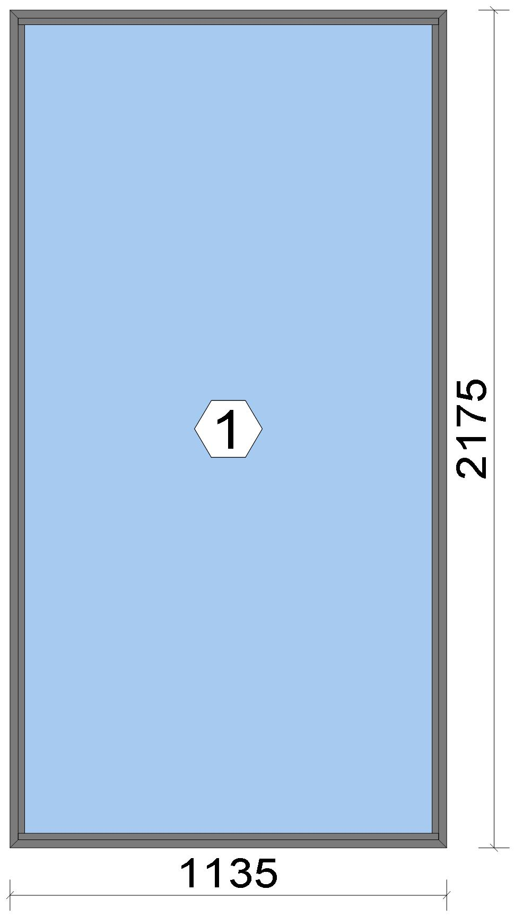

Stated quantities refer to one position each.
Glass
Description |  |  |  |  |  |  |  |  |  |  | Area [m²] |  |  |  | Dimension [mm] |  | Quantity [Pcs.] |  |  | Price [£]

4mm TG TGH STD, 42 mm |  |  |  |  |  |  |  |  |  |  | 2.30 (2.32) |  |  |  | 1,083 x 2,123 |  | 1 |  |  | 241.06
Total: |  |  |  |  |  |  |  |  |  |  | 2.30 (2.32) |  |  |  |  |  | 1 |  |  | 241.06

Summary
Description |  |  |  |  |  |  |  |  |  |  |  |  |  |  |  |  |  | [£]
Profiles incl. Coating |  |  |  |  |  |  |  |  |  |  |  |  |  |  |  |  |  | 62.86
Finish |  |  |  |  |  |  |  |  |  |  |  |  |  |  |  |  |  | 11.65
Accessories |  |  |  |  |  |  |  |  |  |  |  |  |  |  |  |  |  | 8.36
Hardware |  |  |  |  |  |  |  |  |  |  |  |  |  |  |  |  |  | 0.00
Gaskets |  |  |  |  |  |  |  |  |  |  |  |  |  |  |  |  |  | 8.15
Small materials |  |  |  |  |  |  |  |  |  |  |  |  |  |  |  |  |  | 0.00
Total Material |  |  |  |  |  |  |  |  |  |  |  |  |  |  |  |  |  | 91.02

Glass |  |  |  |  |  |  |  |  |  |  |  |  |  |  |  |  |  | 241.06
Insertion Costs Glass |  |  |  |  |  |  |  |  |  |  |  |  |  |  |  |  |  | 0.00
Insertion Costs Panel |  |  |  |  |  |  |  |  |  |  |  |  |  |  |  |  |  | 0.00

 |  |  |  |  | Logikal 12.6 - ORGADATA AG , Am Nesseufer 14, 26789 Leer, Germany, +49 491 92782-500
 |  |  |  |  |  |  |  |  | Page: 21 from 43

 |  |  |  |  | Please check all results for plausibility. We do not take responsibility for any errors.

 | Estimation |  |  |  |  |  |  |  |  |  |  | Date: |  | 15/10/2026 / 16:30
 |  |  |  |  |  |  |  |  |  |  |  | Project: |  | Birch Hollow

Total Glass |  |  |  |  |  |  |  |  |  |  |  |  |  |  |  |  |  | 241.06

Outer frame corner |  |  |  |  |  |  |  |  |  |  |  |  |  |  |  |  |  | 25.00
Installation |  |  |  |  |  |  |  |  |  |  |  |  |  |  |  |  |  | 0.00
Total Wages |  |  |  |  |  |  |  |  |  |  |  |  |  |  |  |  |  | 25.00

Extra costs |  |  |  |  |  |  |  |  |  |  |  |  |  |  |  |  |  | 0.00
Net Total |  |  |  |  |  |  |  |  |  |  |  |  |  |  |  |  |  | 357.08

Total Costs |  |  |  |  |  |  |  |  |  |  |  |  |  |  |  |  |  | 357.08

Profit on material |  |  |  |  |  |  |  |  |  |  |  |  |  |  |  |  |  | 0.00
Profit on glass purchase |  |  |  |  |  |  |  |  |  |  |  |  |  |  |  |  |  | 0.00
Profit on wages |  |  |  |  |  |  |  |  |  |  |  |  |  |  |  |  |  | 0.00
Profit on other costs |  |  |  |  |  |  |  |  |  |  |  |  |  |  |  |  |  | 0.00
Estimated price |  |  |  |  |  |  |  |  |  |  |  |  |  |  |  |  |  | 357.08

Position area: |  |  |  |  |  |  |  |  |  |  |  |  |  |  |  |  |  | 2.47 m²
Estimated price / m² |  |  |  |  |  |  |  |  |  |  |  |  |  |  |  |  |  | 144.63 £
Weight / Profiles |  |  |  |  |  |  |  |  |  |  |  |  |  |  |  |  |  | 10.43 kg
Weight / Glass |  |  |  |  |  |  |  |  |  |  |  |  |  |  |  |  |  | 68.98 kg
Weight for estimation |  |  |  |  |  |  |  |  |  |  |  |  |  |  |  |  |  | 79.40 kg

 |  |  |  |  | Logikal 12.6 - ORGADATA AG , Am Nesseufer 14, 26789 Leer, Germany, +49 491 92782-500
 |  |  |  |  |  |  |  |  | Page: 22 from 43

 |  |  |  |  | Please check all results for plausibility. We do not take responsibility for any errors.

 | Estimation |  |  |  |  |  |  |  |  |  |  | Date: |  | 15/10/2026 / 16:30
 |  |  |  |  |  |  |  |  |  |  |  | Project: |  | Birch Hollow

 |  |  |  |  |  |  |  |  |  |  |  |  |  |  |  | Administrator CORTIZO - September 2026 QUOTES\B\

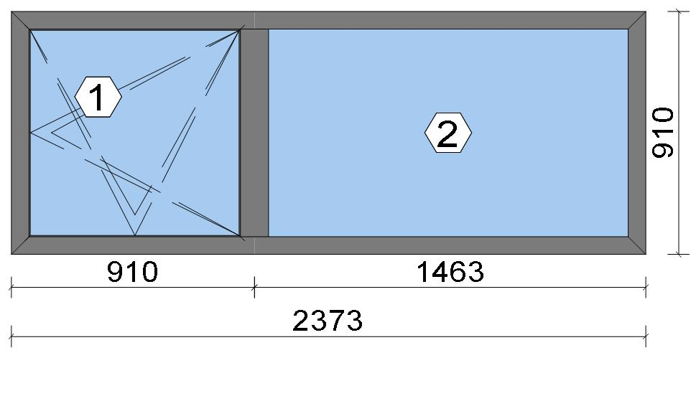
Stated quantities refer to one position each.
Glass
Description |  |  |  |  |  |  |  |  |  |  | Area [m²] |  |  |  | Dimension [mm] |  | Quantity [Pcs.] |  |  | Price [£]

4mm TG TGH STD, 40 mm |  |  |  |  |  |  |  |  |  |  | 0.63 (0.64) |  |  |  | 803 x 790 |  | 1 |  |  | 66.44
4mm TG TGH STD, 40 mm |  |  |  |  |  |  |  |  |  |  | 1.12 (1.13) |  |  |  | 1,379 x 813 |  | 1 |  |  | 117.49
Total: |  |  |  |  |  |  |  |  |  |  | 1.76 (1.77) |  |  |  |  |  | 2 |  |  | 183.93

Summary
Description |  |  |  |  |  |  |  |  |  |  |  |  |  |  |  |  |  | [£]
Profiles incl. Coating |  |  |  |  |  |  |  |  |  |  |  |  |  |  |  |  |  | 117.58
Finish |  |  |  |  |  |  |  |  |  |  |  |  |  |  |  |  |  | 20.53
Accessories |  |  |  |  |  |  |  |  |  |  |  |  |  |  |  |  |  | 26.56
Hardware |  |  |  |  |  |  |  |  |  |  |  |  |  |  |  |  |  | 82.07
Gaskets |  |  |  |  |  |  |  |  |  |  |  |  |  |  |  |  |  | 22.22
Small materials |  |  |  |  |  |  |  |  |  |  |  |  |  |  |  |  |  | 0.00
Total Material |  |  |  |  |  |  |  |  |  |  |  |  |  |  |  |  |  | 268.96

Glass |  |  |  |  |  |  |  |  |  |  |  |  |  |  |  |  |  | 183.93
Insertion Costs Glass |  |  |  |  |  |  |  |  |  |  |  |  |  |  |  |  |  | 0.00
Insertion Costs Panel |  |  |  |  |  |  |  |  |  |  |  |  |  |  |  |  |  | 0.00
Total Glass |  |  |  |  |  |  |  |  |  |  |  |  |  |  |  |  |  | 183.93

Outer frame corner |  |  |  |  |  |  |  |  |  |  |  |  |  |  |  |  |  | 41.67
Sash Corners |  |  |  |  |  |  |  |  |  |  |  |  |  |  |  |  |  | 71.67
T-Junction |  |  |  |  |  |  |  |  |  |  |  |  |  |  |  |  |  | 37.50
Installation |  |  |  |  |  |  |  |  |  |  |  |  |  |  |  |  |  | 0.00
Total Wages |  |  |  |  |  |  |  |  |  |  |  |  |  |  |  |  |  | 150.84

Extra costs |  |  |  |  |  |  |  |  |  |  |  |  |  |  |  |  |  | 0.00
Net Total |  |  |  |  |  |  |  |  |  |  |  |  |  |  |  |  |  | 603.73

Total Costs |  |  |  |  |  |  |  |  |  |  |  |  |  |  |  |  |  | 603.73

Profit on material |  |  |  |  |  |  |  |  |  |  |  |  |  |  |  |  |  | 0.00
Profit on glass purchase |  |  |  |  |  |  |  |  |  |  |  |  |  |  |  |  |  | 0.00
Profit on wages |  |  |  |  |  |  |  |  |  |  |  |  |  |  |  |  |  | 0.00
Profit on other costs |  |  |  |  |  |  |  |  |  |  |  |  |  |  |  |  |  | 0.00
Estimated price |  |  |  |  |  |  |  |  |  |  |  |  |  |  |  |  |  | 603.73

Position area: |  |  |  |  |  |  |  |  |  |  |  |  |  |  |  |  |  | 2.16 m²
Estimated price / m² |  |  |  |  |  |  |  |  |  |  |  |  |  |  |  |  |  | 279.63 £
Weight / Profiles |  |  |  |  |  |  |  |  |  |  |  |  |  |  |  |  |  | 19.36 kg
Weight / Glass |  |  |  |  |  |  |  |  |  |  |  |  |  |  |  |  |  | 52.66 kg

 |  |  |  |  | Logikal 12.6 - ORGADATA AG , Am Nesseufer 14, 26789 Leer, Germany, +49 491 92782-500
 |  |  |  |  |  |  |  |  | Page: 23 from 43

 |  |  |  |  | Please check all results for plausibility. We do not take responsibility for any errors.

 | Estimation |  |  |  |  |  |  |  |  |  |  | Date: |  | 15/10/2026 / 16:30
 |  |  |  |  |  |  |  |  |  |  |  | Project: |  | Birch Hollow

Weight for estimation |  |  |  |  |  |  |  |  |  |  |  |  |  |  |  |  |  | 72.02 kg

 |  |  |  |  | Logikal 12.6 - ORGADATA AG , Am Nesseufer 14, 26789 Leer, Germany, +49 491 92782-500
 |  |  |  |  |  |  |  |  | Page: 24 from 43

 |  |  |  |  | Please check all results for plausibility. We do not take responsibility for any errors.

 | Estimation |  |  |  |  |  |  |  |  |  |  | Date: |  | 15/10/2026 / 16:30
 |  |  |  |  |  |  |  |  |  |  |  | Project: |  | Birch Hollow

 |  |  |  |  |  |  |  |  |  |  |  |  |  |  |  | Administrator CORTIZO - September 2026 QUOTES\B\

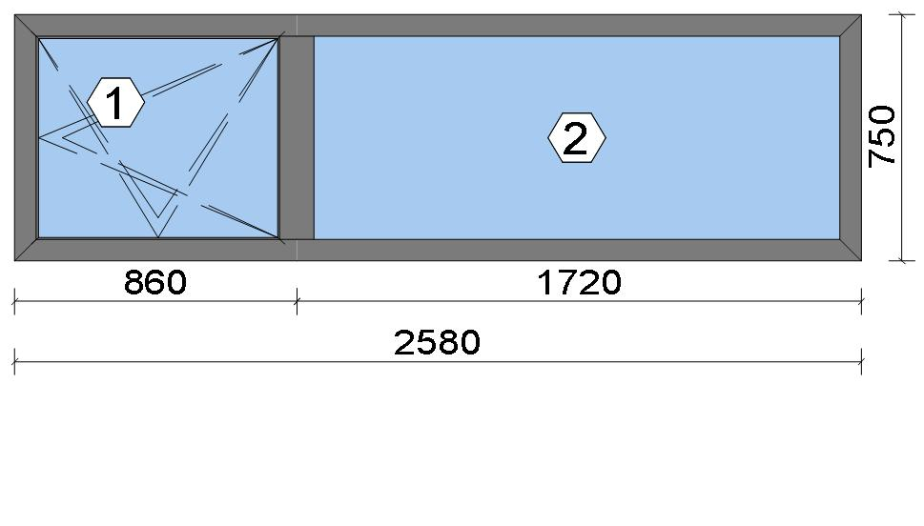
Stated quantities refer to one position each.
Glass
Description |  |  |  |  |  |  |  |  |  |  | Area [m²] |  |  |  | Dimension [mm] |  | Quantity [Pcs.] |  |  | Price [£]

4mm TG TGH STD, 40 mm |  |  |  |  |  |  |  |  |  |  | 0.47 (0.48) |  |  |  | 753 x 630 |  | 1 |  |  | 49.71
4mm TG TGH STD, 40 mm |  |  |  |  |  |  |  |  |  |  | 1.07 (1.08) |  |  |  | 1,636 x 653 |  | 1 |  |  | 112.39
Total: |  |  |  |  |  |  |  |  |  |  | 1.54 (1.56) |  |  |  |  |  | 2 |  |  | 162.10

Summary
Description |  |  |  |  |  |  |  |  |  |  |  |  |  |  |  |  |  | [£]
Profiles incl. Coating |  |  |  |  |  |  |  |  |  |  |  |  |  |  |  |  |  | 112.70
Finish |  |  |  |  |  |  |  |  |  |  |  |  |  |  |  |  |  | 19.94
Accessories |  |  |  |  |  |  |  |  |  |  |  |  |  |  |  |  |  | 26.56
Hardware |  |  |  |  |  |  |  |  |  |  |  |  |  |  |  |  |  | 81.77
Gaskets |  |  |  |  |  |  |  |  |  |  |  |  |  |  |  |  |  | 21.62
Small materials |  |  |  |  |  |  |  |  |  |  |  |  |  |  |  |  |  | 0.00
Total Material |  |  |  |  |  |  |  |  |  |  |  |  |  |  |  |  |  | 262.59

Glass |  |  |  |  |  |  |  |  |  |  |  |  |  |  |  |  |  | 162.10
Insertion Costs Glass |  |  |  |  |  |  |  |  |  |  |  |  |  |  |  |  |  | 0.00
Insertion Costs Panel |  |  |  |  |  |  |  |  |  |  |  |  |  |  |  |  |  | 0.00
Total Glass |  |  |  |  |  |  |  |  |  |  |  |  |  |  |  |  |  | 162.10

Outer frame corner |  |  |  |  |  |  |  |  |  |  |  |  |  |  |  |  |  | 41.67
Sash Corners |  |  |  |  |  |  |  |  |  |  |  |  |  |  |  |  |  | 71.67
T-Junction |  |  |  |  |  |  |  |  |  |  |  |  |  |  |  |  |  | 37.50
Installation |  |  |  |  |  |  |  |  |  |  |  |  |  |  |  |  |  | 0.00
Total Wages |  |  |  |  |  |  |  |  |  |  |  |  |  |  |  |  |  | 150.84

Extra costs |  |  |  |  |  |  |  |  |  |  |  |  |  |  |  |  |  | 0.00
Net Total |  |  |  |  |  |  |  |  |  |  |  |  |  |  |  |  |  | 575.53

Total Costs |  |  |  |  |  |  |  |  |  |  |  |  |  |  |  |  |  | 575.53

Profit on material |  |  |  |  |  |  |  |  |  |  |  |  |  |  |  |  |  | 0.00
Profit on glass purchase |  |  |  |  |  |  |  |  |  |  |  |  |  |  |  |  |  | 0.00
Profit on wages |  |  |  |  |  |  |  |  |  |  |  |  |  |  |  |  |  | 0.00
Profit on other costs |  |  |  |  |  |  |  |  |  |  |  |  |  |  |  |  |  | 0.00
Estimated price |  |  |  |  |  |  |  |  |  |  |  |  |  |  |  |  |  | 575.53

Position area: |  |  |  |  |  |  |  |  |  |  |  |  |  |  |  |  |  | 1.94 m²
Estimated price / m² |  |  |  |  |  |  |  |  |  |  |  |  |  |  |  |  |  | 297.43 £
Weight / Profiles |  |  |  |  |  |  |  |  |  |  |  |  |  |  |  |  |  | 18.60 kg
Weight / Glass |  |  |  |  |  |  |  |  |  |  |  |  |  |  |  |  |  | 46.27 kg

 |  |  |  |  | Logikal 12.6 - ORGADATA AG , Am Nesseufer 14, 26789 Leer, Germany, +49 491 92782-500
 |  |  |  |  |  |  |  |  | Page: 25 from 43

 |  |  |  |  | Please check all results for plausibility. We do not take responsibility for any errors.

 | Estimation |  |  |  |  |  |  |  |  |  |  | Date: |  | 15/10/2026 / 16:30
 |  |  |  |  |  |  |  |  |  |  |  | Project: |  | Birch Hollow

Weight for estimation |  |  |  |  |  |  |  |  |  |  |  |  |  |  |  |  |  | 64.87 kg

 |  |  |  |  | Logikal 12.6 - ORGADATA AG , Am Nesseufer 14, 26789 Leer, Germany, +49 491 92782-500
 |  |  |  |  |  |  |  |  | Page: 26 from 43

 |  |  |  |  | Please check all results for plausibility. We do not take responsibility for any errors.

 | Estimation |  |  |  |  |  |  |  |  |  |  | Date: |  | 15/10/2026 / 16:30
 |  |  |  |  |  |  |  |  |  |  |  | Project: |  | Birch Hollow

 |  |  |  |  |  |  |  |  |  |  |  |  |  |  |  | Administrator CORTIZO - September 2026 QUOTES\B\

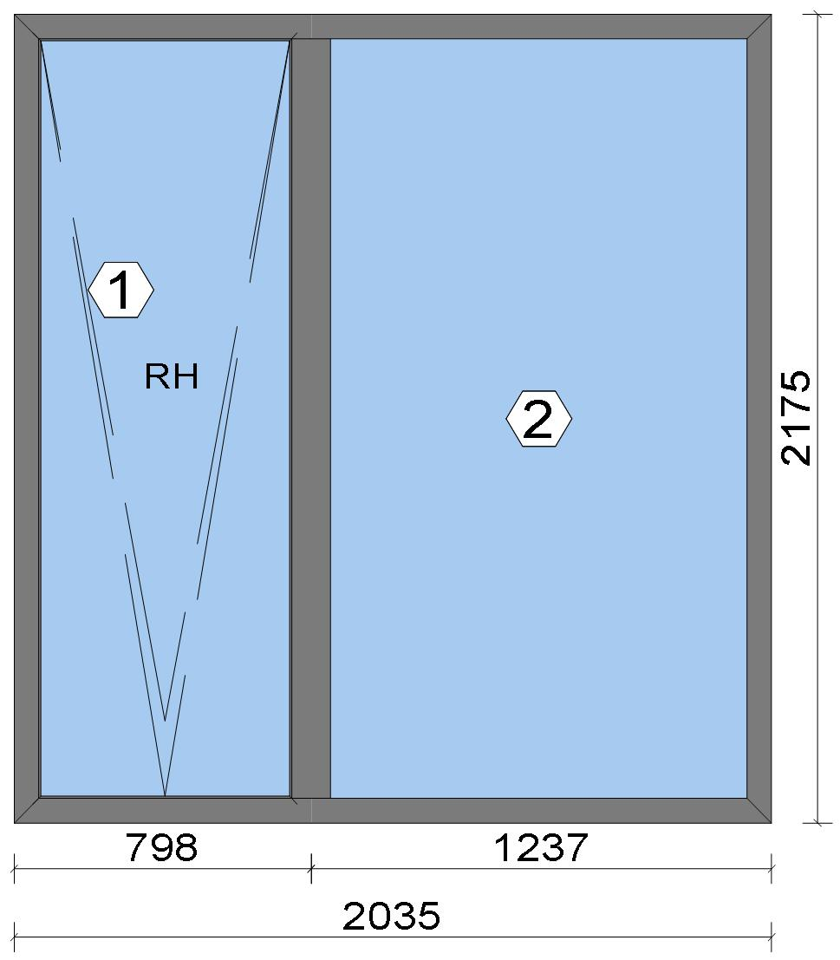
Stated quantities refer to one position each.

Warning!:

The current height is greater than the maximum allowed height (1800 mm) of the sash profile!

Glass
Description |  |  |  |  |  |  |  |  |  |  | Area [m²] |  |  |  | Dimension [mm] |  | Quantity [Pcs.] |  |  | Price [£]

4mm TG TGH STD, 40 mm |  |  |  |  |  |  |  |  |  |  | 1.42 (1.44) |  |  |  | 691 x 2,055 |  | 1 |  |  | 149.72
4mm TG TGH STD, 40 mm |  |  |  |  |  |  |  |  |  |  | 2.40 (2.41) |  |  |  | 1,153 x 2,078 |  | 1 |  |  | 250.52
Total: |  |  |  |  |  |  |  |  |  |  | 3.82 (3.86) |  |  |  |  |  | 2 |  |  | 400.24

Summary
Description |  |  |  |  |  |  |  |  |  |  |  |  |  |  |  |  |  | [£]
Profiles incl. Coating |  |  |  |  |  |  |  |  |  |  |  |  |  |  |  |  |  | 177.93
Finish |  |  |  |  |  |  |  |  |  |  |  |  |  |  |  |  |  | 30.82
Accessories |  |  |  |  |  |  |  |  |  |  |  |  |  |  |  |  |  | 28.38
Hardware |  |  |  |  |  |  |  |  |  |  |  |  |  |  |  |  |  | 126.12
Gaskets |  |  |  |  |  |  |  |  |  |  |  |  |  |  |  |  |  | 33.99
Small materials |  |  |  |  |  |  |  |  |  |  |  |  |  |  |  |  |  | 0.00
Total Material |  |  |  |  |  |  |  |  |  |  |  |  |  |  |  |  |  | 397.24

Glass |  |  |  |  |  |  |  |  |  |  |  |  |  |  |  |  |  | 400.24
Insertion Costs Glass |  |  |  |  |  |  |  |  |  |  |  |  |  |  |  |  |  | 0.00
Insertion Costs Panel |  |  |  |  |  |  |  |  |  |  |  |  |  |  |  |  |  | 0.00
Total Glass |  |  |  |  |  |  |  |  |  |  |  |  |  |  |  |  |  | 400.24

Outer frame corner |  |  |  |  |  |  |  |  |  |  |  |  |  |  |  |  |  | 41.67
Sash Corners |  |  |  |  |  |  |  |  |  |  |  |  |  |  |  |  |  | 71.67
T-Junction |  |  |  |  |  |  |  |  |  |  |  |  |  |  |  |  |  | 37.50
Installation |  |  |  |  |  |  |  |  |  |  |  |  |  |  |  |  |  | 0.00
Total Wages |  |  |  |  |  |  |  |  |  |  |  |  |  |  |  |  |  | 150.84

 |  |  |  |  | Logikal 12.6 - ORGADATA AG , Am Nesseufer 14, 26789 Leer, Germany, +49 491 92782-500
 |  |  |  |  |  |  |  |  | Page: 27 from 43

 |  |  |  |  | Please check all results for plausibility. We do not take responsibility for any errors.

 | Estimation |  |  |  |  |  |  |  |  |  |  | Date: |  | 15/10/2026 / 16:30
 |  |  |  |  |  |  |  |  |  |  |  | Project: |  | Birch Hollow

Extra costs |  |  |  |  |  |  |  |  |  |  |  |  |  |  |  |  |  | 0.00
Net Total |  |  |  |  |  |  |  |  |  |  |  |  |  |  |  |  |  | 948.32

Total Costs |  |  |  |  |  |  |  |  |  |  |  |  |  |  |  |  |  | 948.32

Profit on material |  |  |  |  |  |  |  |  |  |  |  |  |  |  |  |  |  | 0.00
Profit on glass purchase |  |  |  |  |  |  |  |  |  |  |  |  |  |  |  |  |  | 0.00
Profit on wages |  |  |  |  |  |  |  |  |  |  |  |  |  |  |  |  |  | 0.00
Profit on other costs |  |  |  |  |  |  |  |  |  |  |  |  |  |  |  |  |  | 0.00
Estimated price |  |  |  |  |  |  |  |  |  |  |  |  |  |  |  |  |  | 948.32

Position area: |  |  |  |  |  |  |  |  |  |  |  |  |  |  |  |  |  | 4.43 m²
Estimated price / m² |  |  |  |  |  |  |  |  |  |  |  |  |  |  |  |  |  | 214.26 £
Weight / Profiles |  |  |  |  |  |  |  |  |  |  |  |  |  |  |  |  |  | 29.39 kg
Weight / Glass |  |  |  |  |  |  |  |  |  |  |  |  |  |  |  |  |  | 114.50 kg
Weight for estimation |  |  |  |  |  |  |  |  |  |  |  |  |  |  |  |  |  | 143.89 kg

Note |  |  |  |  |  | While calculating this position the following facts were discovered which may cause a slightly too high or too low estimation result.

> |  | Hardware of at least one insertion does not fulfil all conditions. Please check selected hardware.

 |  |  |  |  | Logikal 12.6 - ORGADATA AG , Am Nesseufer 14, 26789 Leer, Germany, +49 491 92782-500
 |  |  |  |  |  |  |  |  | Page: 28 from 43

 |  |  |  |  | Please check all results for plausibility. We do not take responsibility for any errors.

 | Estimation |  |  |  |  |  |  |  |  |  |  | Date: |  | 15/10/2026 / 16:30
 |  |  |  |  |  |  |  |  |  |  |  | Project: |  | Birch Hollow

 |  |  |  |  |  |  |  |  |  |  |  |  |  |  |  | Administrator CORTIZO - September 2026 QUOTES\B\

Stated quantities refer to one position each.
Glass
Description |  |  |  |  |  |  |  |  |  |  | Area [m²] |  |  |  | Dimension [mm] |  | Quantity [Pcs.] |  |  | Price [£]

4mm TG TGH STD, 40 mm |  |  |  |  |  |  |  |  |  |  | 2.63 (2.64) |  |  |  | 1,266 x 2,078 |  | 1 |  |  | 274.28
4mm TG TGH STD, 40 mm |  |  |  |  |  |  |  |  |  |  | 1.42 (1.44) |  |  |  | 691 x 2,055 |  | 1 |  |  | 149.72
Total: |  |  |  |  |  |  |  |  |  |  | 4.05 (4.08) |  |  |  |  |  | 2 |  |  | 424.00

Summary
Description |  |  |  |  |  |  |  |  |  |  |  |  |  |  |  |  |  | [£]
Profiles incl. Coating |  |  |  |  |  |  |  |  |  |  |  |  |  |  |  |  |  | 180.55
Finish |  |  |  |  |  |  |  |  |  |  |  |  |  |  |  |  |  | 31.36
Accessories |  |  |  |  |  |  |  |  |  |  |  |  |  |  |  |  |  | 26.56
Hardware |  |  |  |  |  |  |  |  |  |  |  |  |  |  |  |  |  | 102.26
Gaskets |  |  |  |  |  |  |  |  |  |  |  |  |  |  |  |  |  | 34.63
Small materials |  |  |  |  |  |  |  |  |  |  |  |  |  |  |  |  |  | 0.00
Total Material |  |  |  |  |  |  |  |  |  |  |  |  |  |  |  |  |  | 375.36

Glass |  |  |  |  |  |  |  |  |  |  |  |  |  |  |  |  |  | 424.00
Insertion Costs Glass |  |  |  |  |  |  |  |  |  |  |  |  |  |  |  |  |  | 0.00
Insertion Costs Panel |  |  |  |  |  |  |  |  |  |  |  |  |  |  |  |  |  | 0.00
Total Glass |  |  |  |  |  |  |  |  |  |  |  |  |  |  |  |  |  | 424.00

Outer frame corner |  |  |  |  |  |  |  |  |  |  |  |  |  |  |  |  |  | 41.67
Sash Corners |  |  |  |  |  |  |  |  |  |  |  |  |  |  |  |  |  | 71.67
T-Junction |  |  |  |  |  |  |  |  |  |  |  |  |  |  |  |  |  | 37.50
Installation |  |  |  |  |  |  |  |  |  |  |  |  |  |  |  |  |  | 0.00
Total Wages |  |  |  |  |  |  |  |  |  |  |  |  |  |  |  |  |  | 150.84

Extra costs |  |  |  |  |  |  |  |  |  |  |  |  |  |  |  |  |  | 0.00
Net Total |  |  |  |  |  |  |  |  |  |  |  |  |  |  |  |  |  | 950.20

Total Costs |  |  |  |  |  |  |  |  |  |  |  |  |  |  |  |  |  | 950.20

 |  |  |  |  | Logikal 12.6 - ORGADATA AG , Am Nesseufer 14, 26789 Leer, Germany, +49 491 92782-500
 |  |  |  |  |  |  |  |  | Page: 29 from 43

 |  |  |  |  | Please check all results for plausibility. We do not take responsibility for any errors.

 | Estimation |  |  |  |  |  |  |  |  |  |  | Date: |  | 15/10/2026 / 16:30
 |  |  |  |  |  |  |  |  |  |  |  | Project: |  | Birch Hollow

Profit on material |  |  |  |  |  |  |  |  |  |  |  |  |  |  |  |  |  | 0.00
Profit on glass purchase |  |  |  |  |  |  |  |  |  |  |  |  |  |  |  |  |  | 0.00
Profit on wages |  |  |  |  |  |  |  |  |  |  |  |  |  |  |  |  |  | 0.00
Profit on other costs |  |  |  |  |  |  |  |  |  |  |  |  |  |  |  |  |  | 0.00
Estimated price |  |  |  |  |  |  |  |  |  |  |  |  |  |  |  |  |  | 950.20

Position area: |  |  |  |  |  |  |  |  |  |  |  |  |  |  |  |  |  | 4.67 m²
Estimated price / m² |  |  |  |  |  |  |  |  |  |  |  |  |  |  |  |  |  | 203.38 £
Weight / Profiles |  |  |  |  |  |  |  |  |  |  |  |  |  |  |  |  |  | 29.84 kg
Weight / Glass |  |  |  |  |  |  |  |  |  |  |  |  |  |  |  |  |  | 121.54 kg
Weight for estimation |  |  |  |  |  |  |  |  |  |  |  |  |  |  |  |  |  | 151.39 kg

 |  |  |  |  | Logikal 12.6 - ORGADATA AG , Am Nesseufer 14, 26789 Leer, Germany, +49 491 92782-500
 |  |  |  |  |  |  |  |  | Page: 30 from 43

 |  |  |  |  | Please check all results for plausibility. We do not take responsibility for any errors.

 | Estimation |  |  |  |  |  |  |  |  |  |  | Date: |  | 15/10/2026 / 16:30
 |  |  |  |  |  |  |  |  |  |  |  | Project: |  | Birch Hollow

 |  |  |  |  |  |  |  |  |  |  |  |  |  |  |  | Administrator CORTIZO - September 2026 QUOTES\B\

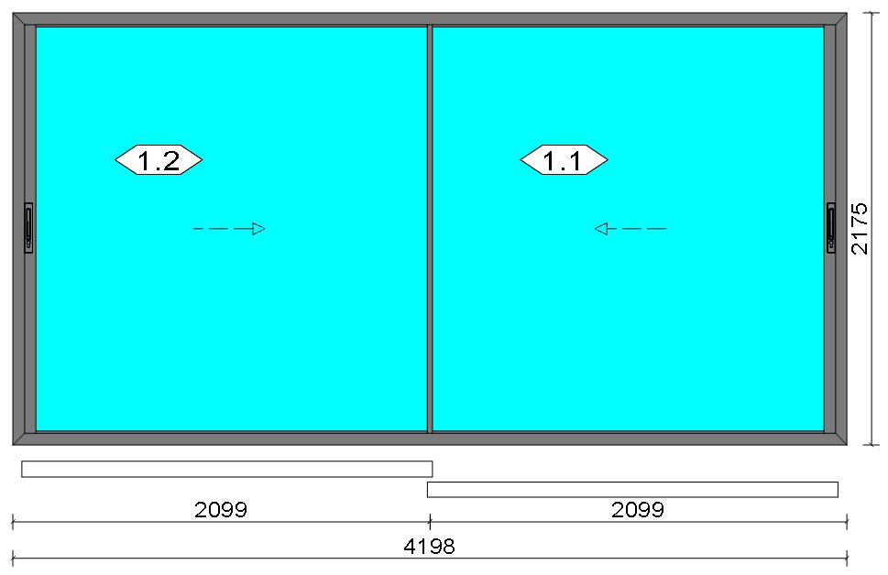
Stated quantities refer to one position each.
Glass
Description |  |  |  |  |  |  |  |  |  |  | Area [m²] |  |  |  | Dimension [mm] |  | Quantity [Pcs.] |  |  | Price [£]

6mm TG TGH 0.8, 42 mm |  |  |  |  |  |  |  |  |  |  | 4.12 (4.14) |  |  |  | 1,998 x 2,061 |  | 2 |  |  | 1,076.40
Total: |  |  |  |  |  |  |  |  |  |  | 8.23 (8.28) |  |  |  |  |  | 2 |  |  | 1,076.40

Summary
Description |  |  |  |  |  |  |  |  |  |  |  |  |  |  |  |  |  | [£]
Profiles incl. Coating |  |  |  |  |  |  |  |  |  |  |  |  |  |  |  |  |  | 672.35
Finish |  |  |  |  |  |  |  |  |  |  |  |  |  |  |  |  |  | 93.91
Accessories |  |  |  |  |  |  |  |  |  |  |  |  |  |  |  |  |  | 72.69
Hardware |  |  |  |  |  |  |  |  |  |  |  |  |  |  |  |  |  | 280.43
Gaskets |  |  |  |  |  |  |  |  |  |  |  |  |  |  |  |  |  | 35.89
Small materials |  |  |  |  |  |  |  |  |  |  |  |  |  |  |  |  |  | 0.00
Total Material |  |  |  |  |  |  |  |  |  |  |  |  |  |  |  |  |  | 1,155.27

Glass |  |  |  |  |  |  |  |  |  |  |  |  |  |  |  |  |  | 1,076.40
Insertion Costs Glass |  |  |  |  |  |  |  |  |  |  |  |  |  |  |  |  |  | 0.00
Insertion Costs Panel |  |  |  |  |  |  |  |  |  |  |  |  |  |  |  |  |  | 0.00
Total Glass |  |  |  |  |  |  |  |  |  |  |  |  |  |  |  |  |  | 1,076.40

Outer frame corner |  |  |  |  |  |  |  |  |  |  |  |  |  |  |  |  |  | 0.00
Sash Corners |  |  |  |  |  |  |  |  |  |  |  |  |  |  |  |  |  | 350.00
Outer Frame field |  |  |  |  |  |  |  |  |  |  |  |  |  |  |  |  |  | 345.00
Installation |  |  |  |  |  |  |  |  |  |  |  |  |  |  |  |  |  | 0.00
Total Wages |  |  |  |  |  |  |  |  |  |  |  |  |  |  |  |  |  | 695.00

Extra costs |  |  |  |  |  |  |  |  |  |  |  |  |  |  |  |  |  | 0.00
Net Total |  |  |  |  |  |  |  |  |  |  |  |  |  |  |  |  |  | 2,926.67

Total Costs |  |  |  |  |  |  |  |  |  |  |  |  |  |  |  |  |  | 2,926.67

Profit on material |  |  |  |  |  |  |  |  |  |  |  |  |  |  |  |  |  | 0.00
Profit on glass purchase |  |  |  |  |  |  |  |  |  |  |  |  |  |  |  |  |  | 0.00
Profit on wages |  |  |  |  |  |  |  |  |  |  |  |  |  |  |  |  |  | 0.00
Profit on other costs |  |  |  |  |  |  |  |  |  |  |  |  |  |  |  |  |  | 0.00
Estimated price |  |  |  |  |  |  |  |  |  |  |  |  |  |  |  |  |  | 2,926.67

Position area: |  |  |  |  |  |  |  |  |  |  |  |  |  |  |  |  |  | 9.13 m²
Estimated price / m² |  |  |  |  |  |  |  |  |  |  |  |  |  |  |  |  |  | 320.52 £
Weight / Profiles |  |  |  |  |  |  |  |  |  |  |  |  |  |  |  |  |  | 96.62 kg
Weight / Glass |  |  |  |  |  |  |  |  |  |  |  |  |  |  |  |  |  | 370.52 kg

 |  |  |  |  | Logikal 12.6 - ORGADATA AG , Am Nesseufer 14, 26789 Leer, Germany, +49 491 92782-500
 |  |  |  |  |  |  |  |  | Page: 31 from 43

 |  |  |  |  | Please check all results for plausibility. We do not take responsibility for any errors.

 | Estimation |  |  |  |  |  |  |  |  |  |  | Date: |  | 15/10/2026 / 16:30
 |  |  |  |  |  |  |  |  |  |  |  | Project: |  | Birch Hollow

Weight for estimation |  |  |  |  |  |  |  |  |  |  |  |  |  |  |  |  |  | 467.14 kg

Note |  |  |  |  |  | While calculating this position the following facts were discovered which may cause a slightly too high or too low estimation result.

> |  | COR 0009 - Por favor, compruebe las dimensiones de los perfiles de tapeta . Please check the cover profile dimensions. Merci de vérifier les dimensions des capots.

 |  |  |  |  | Logikal 12.6 - ORGADATA AG , Am Nesseufer 14, 26789 Leer, Germany, +49 491 92782-500
 |  |  |  |  |  |  |  |  | Page: 32 from 43

 |  |  |  |  | Please check all results for plausibility. We do not take responsibility for any errors.

 | Estimation |  |  |  |  |  |  |  |  |  |  | Date: |  | 15/10/2026 / 16:30
 |  |  |  |  |  |  |  |  |  |  |  | Project: |  | Birch Hollow

 |  |  |  |  |  |  |  |  |  |  |  |  |  |  |  | Administrator CORTIZO - September 2026 QUOTES\B\

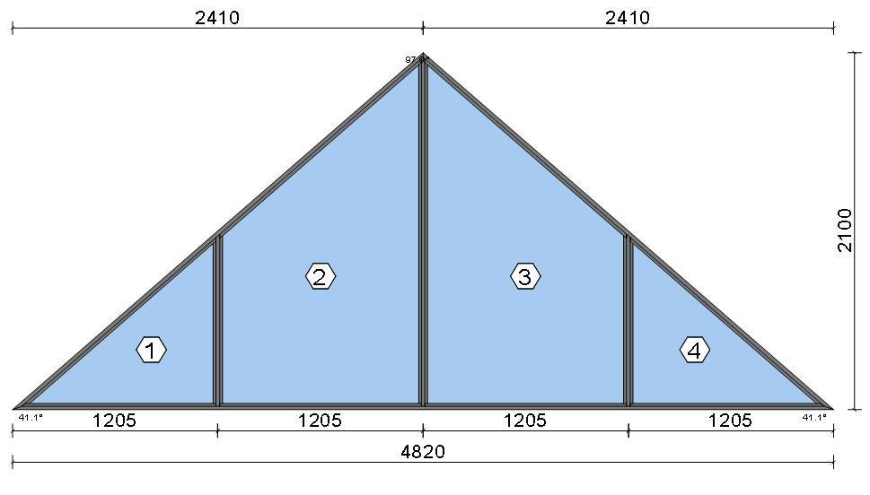
Stated quantities refer to one position each.
Glass
Description |  |  |  |  |  |  |  |  |  |  | Area [m²] |  |  |  | Dimension [mm] |  | Quantity [Pcs.] |  |  | Price [£]

4mm TG TGH STD, 42 mm |  |  |  |  |  |  |  |  |  |  | 1.09 (1.11) |  |  |  | 1,121 x 976 |  | 2 |  |  | 287.45
 |  |  |  | Shaped glass
4mm TG TGH STD, 42 mm |  |  |  |  |  |  |  |  |  |  | 2.38 (2.40) |  |  |  | 1,175 x 2,026 |  | 2 |  |  | 621.79
 |  |  |  | Shaped glass
Total: |  |  |  |  |  |  |  |  |  |  | 6.95 (7.00) |  |  |  |  |  | 4 |  |  | 909.24

Summary
Description |  |  |  |  |  |  |  |  |  |  |  |  |  |  |  |  |  | [£]
Profiles incl. Coating |  |  |  |  |  |  |  |  |  |  |  |  |  |  |  |  |  | 154.87
Finish |  |  |  |  |  |  |  |  |  |  |  |  |  |  |  |  |  | 29.87
Accessories |  |  |  |  |  |  |  |  |  |  |  |  |  |  |  |  |  | 29.68
Hardware |  |  |  |  |  |  |  |  |  |  |  |  |  |  |  |  |  | 0.00
Gaskets |  |  |  |  |  |  |  |  |  |  |  |  |  |  |  |  |  | 23.53
Small materials |  |  |  |  |  |  |  |  |  |  |  |  |  |  |  |  |  | 0.00
Total Material |  |  |  |  |  |  |  |  |  |  |  |  |  |  |  |  |  | 237.95

Glass |  |  |  |  |  |  |  |  |  |  |  |  |  |  |  |  |  | 909.24
Insertion Costs Glass |  |  |  |  |  |  |  |  |  |  |  |  |  |  |  |  |  | 0.00
Insertion Costs Panel |  |  |  |  |  |  |  |  |  |  |  |  |  |  |  |  |  | 0.00
Total Glass |  |  |  |  |  |  |  |  |  |  |  |  |  |  |  |  |  | 909.24

Outer frame corner |  |  |  |  |  |  |  |  |  |  |  |  |  |  |  |  |  | 75.00
T-Junction |  |  |  |  |  |  |  |  |  |  |  |  |  |  |  |  |  | 106.25
Installation |  |  |  |  |  |  |  |  |  |  |  |  |  |  |  |  |  | 0.00
Total Wages |  |  |  |  |  |  |  |  |  |  |  |  |  |  |  |  |  | 181.25

Extra costs |  |  |  |  |  |  |  |  |  |  |  |  |  |  |  |  |  | 0.00
Net Total |  |  |  |  |  |  |  |  |  |  |  |  |  |  |  |  |  | 1,328.44

Total Costs |  |  |  |  |  |  |  |  |  |  |  |  |  |  |  |  |  | 1,328.44

Profit on material |  |  |  |  |  |  |  |  |  |  |  |  |  |  |  |  |  | 0.00
Profit on glass purchase |  |  |  |  |  |  |  |  |  |  |  |  |  |  |  |  |  | 0.00
Profit on wages |  |  |  |  |  |  |  |  |  |  |  |  |  |  |  |  |  | 0.00
Profit on other costs |  |  |  |  |  |  |  |  |  |  |  |  |  |  |  |  |  | 0.00
Estimated price |  |  |  |  |  |  |  |  |  |  |  |  |  |  |  |  |  | 1,328.44

Position area: |  |  |  |  |  |  |  |  |  |  |  |  |  |  |  |  |  | 5.06 m²
Estimated price / m² |  |  |  |  |  |  |  |  |  |  |  |  |  |  |  |  |  | 262.49 £
Weight / Profiles |  |  |  |  |  |  |  |  |  |  |  |  |  |  |  |  |  | 26.35 kg

 |  |  |  |  | Logikal 12.6 - ORGADATA AG , Am Nesseufer 14, 26789 Leer, Germany, +49 491 92782-500
 |  |  |  |  |  |  |  |  | Page: 33 from 43

 |  |  |  |  | Please check all results for plausibility. We do not take responsibility for any errors.

 | Estimation |  |  |  |  |  |  |  |  |  |  | Date: |  | 15/10/2026 / 16:30
 |  |  |  |  |  |  |  |  |  |  |  | Project: |  | Birch Hollow

Weight / Glass |  |  |  |  |  |  |  |  |  |  |  |  |  |  |  |  |  | 139.60 kg
Weight for estimation |  |  |  |  |  |  |  |  |  |  |  |  |  |  |  |  |  | 165.95 kg

 |  |  |  |  | Logikal 12.6 - ORGADATA AG , Am Nesseufer 14, 26789 Leer, Germany, +49 491 92782-500
 |  |  |  |  |  |  |  |  | Page: 34 from 43

 |  |  |  |  | Please check all results for plausibility. We do not take responsibility for any errors.

 | Estimation |  |  |  |  |  |  |  |  |  |  | Date: |  | 15/10/2026 / 16:30
 |  |  |  |  |  |  |  |  |  |  |  | Project: |  | Birch Hollow

 |  |  |  |  |  |  |  |  |  |  |  |  |  |  |  | Administrator CORTIZO - September 2026 QUOTES\B\

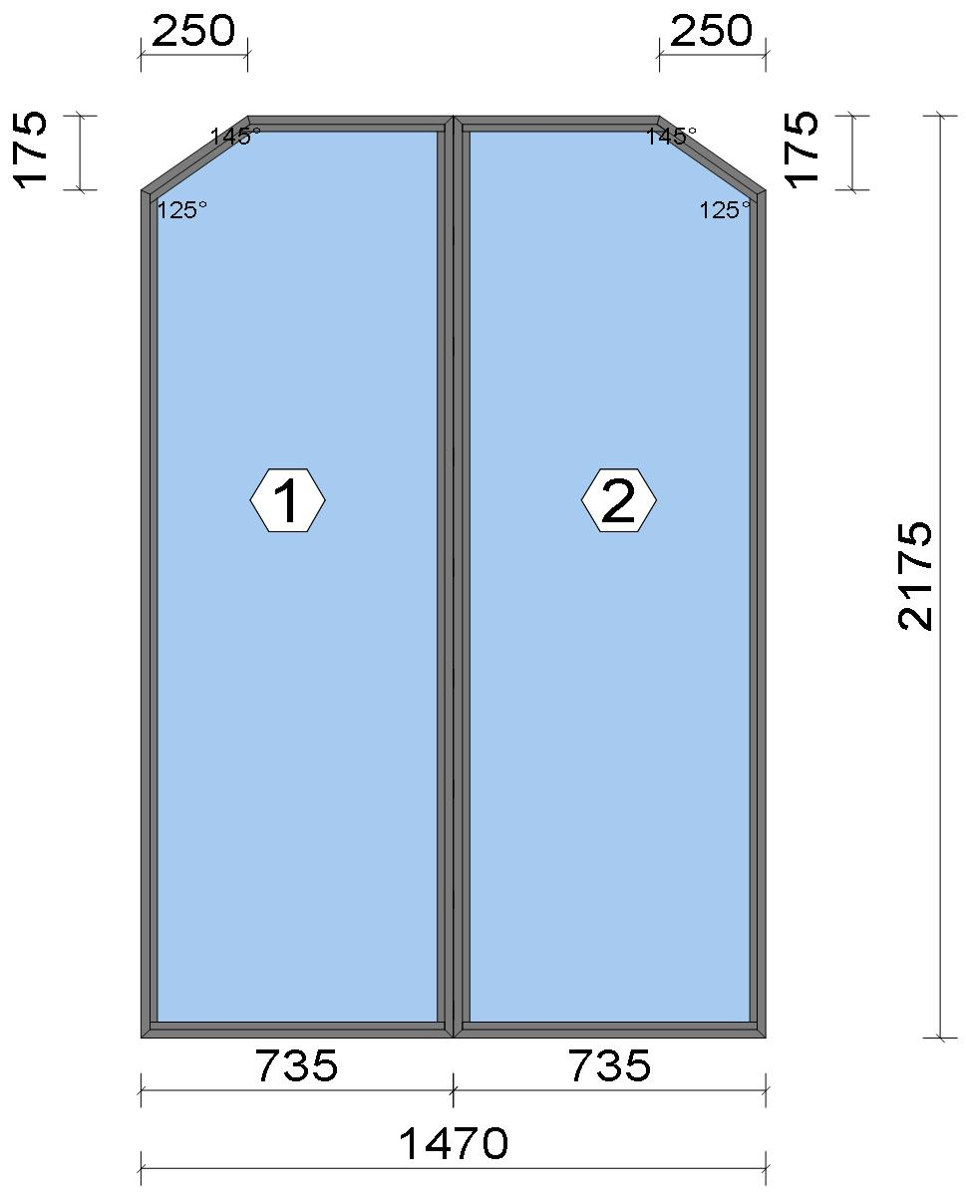
Stated quantities refer to one position each.
Glass
Description |  |  |  |  |  |  |  |  |  |  | Area [m²] |  |  |  | Dimension [mm] |  | Quantity [Pcs.] |  |  | Price [£]

4mm SOL TGH/6.8mm LAM, 30 mm |  |  |  |  |  |  |  |  |  |  | 1.45 (1.47) |  |  |  | 683 x 2,123 |  | 2 |  |  | 227.80
 |  |  |  | Shaped glass
Total: |  |  |  |  |  |  |  |  |  |  | 2.90 (2.94) |  |  |  |  |  | 2 |  |  | 227.80

Summary
Description |  |  |  |  |  |  |  |  |  |  |  |  |  |  |  |  |  | [£]
Profiles incl. Coating |  |  |  |  |  |  |  |  |  |  |  |  |  |  |  |  |  | 111.75
Finish |  |  |  |  |  |  |  |  |  |  |  |  |  |  |  |  |  | 21.38
Accessories |  |  |  |  |  |  |  |  |  |  |  |  |  |  |  |  |  | 12.89
Hardware |  |  |  |  |  |  |  |  |  |  |  |  |  |  |  |  |  | 0.00
Gaskets |  |  |  |  |  |  |  |  |  |  |  |  |  |  |  |  |  | 13.97
Small materials |  |  |  |  |  |  |  |  |  |  |  |  |  |  |  |  |  | 0.00
Total Material |  |  |  |  |  |  |  |  |  |  |  |  |  |  |  |  |  | 159.99

Glass |  |  |  |  |  |  |  |  |  |  |  |  |  |  |  |  |  | 227.80
Insertion Costs Glass |  |  |  |  |  |  |  |  |  |  |  |  |  |  |  |  |  | 0.00
Insertion Costs Panel |  |  |  |  |  |  |  |  |  |  |  |  |  |  |  |  |  | 0.00
Total Glass |  |  |  |  |  |  |  |  |  |  |  |  |  |  |  |  |  | 227.80

Outer frame corner |  |  |  |  |  |  |  |  |  |  |  |  |  |  |  |  |  | 91.67
Installation |  |  |  |  |  |  |  |  |  |  |  |  |  |  |  |  |  | 0.00
Total Wages |  |  |  |  |  |  |  |  |  |  |  |  |  |  |  |  |  | 91.67

Extra costs |  |  |  |  |  |  |  |  |  |  |  |  |  |  |  |  |  | 0.00
Net Total |  |  |  |  |  |  |  |  |  |  |  |  |  |  |  |  |  | 479.46

Total Costs |  |  |  |  |  |  |  |  |  |  |  |  |  |  |  |  |  | 479.46

 |  |  |  |  | Logikal 12.6 - ORGADATA AG , Am Nesseufer 14, 26789 Leer, Germany, +49 491 92782-500
 |  |  |  |  |  |  |  |  | Page: 35 from 43

 |  |  |  |  | Please check all results for plausibility. We do not take responsibility for any errors.

 | Estimation |  |  |  |  |  |  |  |  |  |  | Date: |  | 15/10/2026 / 16:30
 |  |  |  |  |  |  |  |  |  |  |  | Project: |  | Birch Hollow

Profit on material |  |  |  |  |  |  |  |  |  |  |  |  |  |  |  |  |  | 0.00
Profit on glass purchase |  |  |  |  |  |  |  |  |  |  |  |  |  |  |  |  |  | 0.00
Profit on wages |  |  |  |  |  |  |  |  |  |  |  |  |  |  |  |  |  | 0.00
Profit on other costs |  |  |  |  |  |  |  |  |  |  |  |  |  |  |  |  |  | 0.00
Estimated price |  |  |  |  |  |  |  |  |  |  |  |  |  |  |  |  |  | 479.46

Position area: |  |  |  |  |  |  |  |  |  |  |  |  |  |  |  |  |  | 3.15 m²
Estimated price / m² |  |  |  |  |  |  |  |  |  |  |  |  |  |  |  |  |  | 152.02 £
Weight / Profiles |  |  |  |  |  |  |  |  |  |  |  |  |  |  |  |  |  | 18.64 kg
Weight / Glass |  |  |  |  |  |  |  |  |  |  |  |  |  |  |  |  |  | 71.56 kg
Weight for estimation |  |  |  |  |  |  |  |  |  |  |  |  |  |  |  |  |  | 90.20 kg

 |  |  |  |  | Logikal 12.6 - ORGADATA AG , Am Nesseufer 14, 26789 Leer, Germany, +49 491 92782-500
 |  |  |  |  |  |  |  |  | Page: 36 from 43

 |  |  |  |  | Please check all results for plausibility. We do not take responsibility for any errors.

 | Estimation |  |  |  |  |  |  |  |  |  |  | Date: |  | 15/10/2026 / 16:30
 |  |  |  |  |  |  |  |  |  |  |  | Project: |  | Birch Hollow

 |  |  |  |  |  |  |  |  |  |  |  |  |  |  |  | Administrator CORTIZO - September 2026 QUOTES\B\

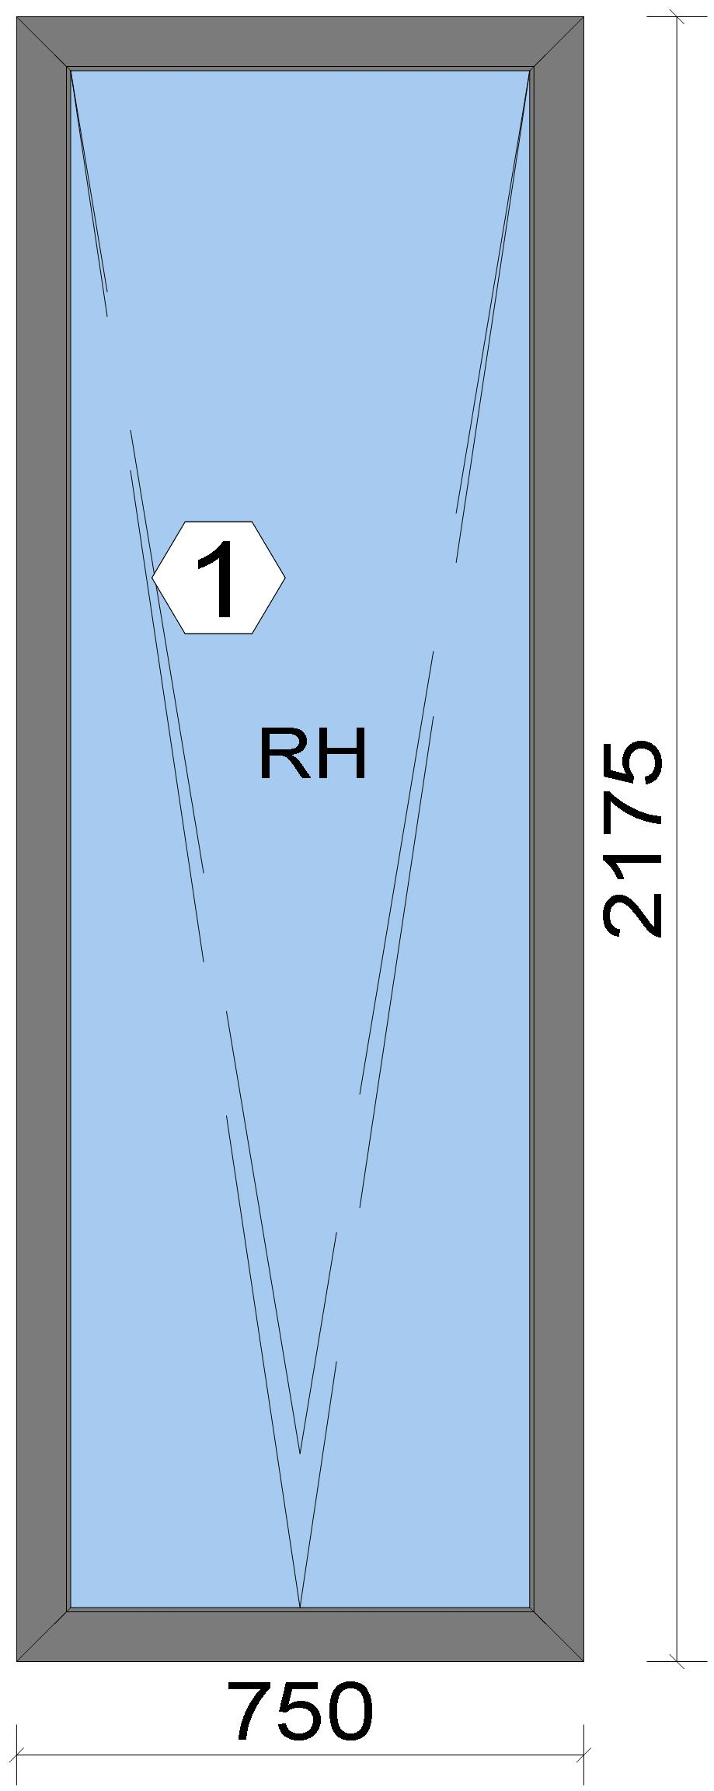
 |  |  |  |  |  |  |  |  |  |  |  |  | Position: WF.03 Quantity: 1 pcs System: Cortizo COR 70 HO HI HI + Gasket Outside Size: 750 mm x 2,175 mm Scale: 1: 12 / Exterior view Finish: Special 1 Powder Coating 7037CM Dusty grey Special 1 Powder Coating

Stated quantities refer to one position each.

Warning!:

The current height is greater than the maximum allowed height (1800 mm) of the sash profile!

Glass
Description |  |  |  |  |  |  |  |  |  |  | Area [m²] |  |  |  | Dimension [mm] |  | Quantity [Pcs.] |  |  | Price [£]

4mm TG TGH STD, 40 mm |  |  |  |  |  |  |  |  |  |  | 1.29 (1.30) |  |  |  | 630 x 2,055 |  | 1 |  |  | 134.75

 |  |  |  |  | Logikal 12.6 - ORGADATA AG , Am Nesseufer 14, 26789 Leer, Germany, +49 491 92782-500
 |  |  |  |  |  |  |  |  | Page: 37 from 43

 |  |  |  |  | Please check all results for plausibility. We do not take responsibility for any errors.

 | Estimation |  |  |  |  |  |  |  |  |  |  | Date: |  | 15/10/2026 / 16:30
 |  |  |  |  |  |  |  |  |  |  |  | Project: |  | Birch Hollow

Description |  |  |  |  |  |  |  |  |  |  | Area [m²] |  |  |  | Dimension [mm] |  | Quantity [Pcs.] |  |  | Price [£]

Total: |  |  |  |  |  |  |  |  |  |  | 1.29 (1.30) |  |  |  |  |  | 1 |  |  | 134.75

Summary
Description |  |  |  |  |  |  |  |  |  |  |  |  |  |  |  |  |  | [£]
Profiles incl. Coating |  |  |  |  |  |  |  |  |  |  |  |  |  |  |  |  |  | 114.42
Finish |  |  |  |  |  |  |  |  |  |  |  |  |  |  |  |  |  | 17.17
Accessories |  |  |  |  |  |  |  |  |  |  |  |  |  |  |  |  |  | 23.17
Hardware |  |  |  |  |  |  |  |  |  |  |  |  |  |  |  |  |  | 125.99
Gaskets |  |  |  |  |  |  |  |  |  |  |  |  |  |  |  |  |  | 17.35
Small materials |  |  |  |  |  |  |  |  |  |  |  |  |  |  |  |  |  | 0.00
Total Material |  |  |  |  |  |  |  |  |  |  |  |  |  |  |  |  |  | 298.10

Glass |  |  |  |  |  |  |  |  |  |  |  |  |  |  |  |  |  | 134.75
Insertion Costs Glass |  |  |  |  |  |  |  |  |  |  |  |  |  |  |  |  |  | 0.00
Insertion Costs Panel |  |  |  |  |  |  |  |  |  |  |  |  |  |  |  |  |  | 0.00
Total Glass |  |  |  |  |  |  |  |  |  |  |  |  |  |  |  |  |  | 134.75

Outer frame corner |  |  |  |  |  |  |  |  |  |  |  |  |  |  |  |  |  | 41.67
Sash Corners |  |  |  |  |  |  |  |  |  |  |  |  |  |  |  |  |  | 71.67
Installation |  |  |  |  |  |  |  |  |  |  |  |  |  |  |  |  |  | 0.00
Total Wages |  |  |  |  |  |  |  |  |  |  |  |  |  |  |  |  |  | 113.34

Extra costs |  |  |  |  |  |  |  |  |  |  |  |  |  |  |  |  |  | 0.00
Net Total |  |  |  |  |  |  |  |  |  |  |  |  |  |  |  |  |  | 546.19

Total Costs |  |  |  |  |  |  |  |  |  |  |  |  |  |  |  |  |  | 546.19

Profit on material |  |  |  |  |  |  |  |  |  |  |  |  |  |  |  |  |  | 0.00
Profit on glass purchase |  |  |  |  |  |  |  |  |  |  |  |  |  |  |  |  |  | 0.00
Profit on wages |  |  |  |  |  |  |  |  |  |  |  |  |  |  |  |  |  | 0.00
Profit on other costs |  |  |  |  |  |  |  |  |  |  |  |  |  |  |  |  |  | 0.00
Estimated price |  |  |  |  |  |  |  |  |  |  |  |  |  |  |  |  |  | 546.19

Position area: |  |  |  |  |  |  |  |  |  |  |  |  |  |  |  |  |  | 1.63 m²
Estimated price / m² |  |  |  |  |  |  |  |  |  |  |  |  |  |  |  |  |  | 334.88 £
Weight / Profiles |  |  |  |  |  |  |  |  |  |  |  |  |  |  |  |  |  | 18.14 kg
Weight / Glass |  |  |  |  |  |  |  |  |  |  |  |  |  |  |  |  |  | 38.81 kg
Weight for estimation |  |  |  |  |  |  |  |  |  |  |  |  |  |  |  |  |  | 56.95 kg

Note |  |  |  |  |  | While calculating this position the following facts were discovered which may cause a slightly too high or too low estimation result.

> |  | Hardware of at least one insertion does not fulfil all conditions. Please check selected hardware.

 |  |  |  |  | Logikal 12.6 - ORGADATA AG , Am Nesseufer 14, 26789 Leer, Germany, +49 491 92782-500
 |  |  |  |  |  |  |  |  | Page: 38 from 43

 |  |  |  |  | Please check all results for plausibility. We do not take responsibility for any errors.

 | Estimation |  |  |  |  |  |  |  |  |  |  | Date: |  | 15/10/2026 / 16:30
 |  |  |  |  |  |  |  |  |  |  |  | Project: |  | Birch Hollow

 |  |  |  |  |  |  |  |  |  |  |  |  |  |  |  | Administrator CORTIZO - September 2026 QUOTES\B\


Stated quantities refer to one position each.

Warning!:

The current height is greater than the maximum allowed height (1800 mm) of the sash profile!

Glass
Description |  |  |  |  |  |  |  |  |  |  | Area [m²] |  |  |  | Dimension [mm] |  | Quantity [Pcs.] |  |  | Price [£]

4mm TG TGH STD, 40 mm |  |  |  |  |  |  |  |  |  |  | 2.63 (2.64) |  |  |  | 1,266 x 2,078 |  | 1 |  |  | 274.28
4mm TG TGH STD, 40 mm |  |  |  |  |  |  |  |  |  |  | 1.42 (1.44) |  |  |  | 691 x 2,055 |  | 1 |  |  | 149.72
Total: |  |  |  |  |  |  |  |  |  |  | 4.05 (4.08) |  |  |  |  |  | 2 |  |  | 424.00

Summary
Description |  |  |  |  |  |  |  |  |  |  |  |  |  |  |  |  |  | [£]
Profiles incl. Coating |  |  |  |  |  |  |  |  |  |  |  |  |  |  |  |  |  | 180.55
Finish |  |  |  |  |  |  |  |  |  |  |  |  |  |  |  |  |  | 31.36
Accessories |  |  |  |  |  |  |  |  |  |  |  |  |  |  |  |  |  | 28.38
Hardware |  |  |  |  |  |  |  |  |  |  |  |  |  |  |  |  |  | 126.12
Gaskets |  |  |  |  |  |  |  |  |  |  |  |  |  |  |  |  |  | 34.63
Small materials |  |  |  |  |  |  |  |  |  |  |  |  |  |  |  |  |  | 0.00
Total Material |  |  |  |  |  |  |  |  |  |  |  |  |  |  |  |  |  | 401.04

Glass |  |  |  |  |  |  |  |  |  |  |  |  |  |  |  |  |  | 424.00
Insertion Costs Glass |  |  |  |  |  |  |  |  |  |  |  |  |  |  |  |  |  | 0.00
Insertion Costs Panel |  |  |  |  |  |  |  |  |  |  |  |  |  |  |  |  |  | 0.00
Total Glass |  |  |  |  |  |  |  |  |  |  |  |  |  |  |  |  |  | 424.00

Outer frame corner |  |  |  |  |  |  |  |  |  |  |  |  |  |  |  |  |  | 41.67
Sash Corners |  |  |  |  |  |  |  |  |  |  |  |  |  |  |  |  |  | 71.67
T-Junction |  |  |  |  |  |  |  |  |  |  |  |  |  |  |  |  |  | 37.50
Installation |  |  |  |  |  |  |  |  |  |  |  |  |  |  |  |  |  | 0.00
Total Wages |  |  |  |  |  |  |  |  |  |  |  |  |  |  |  |  |  | 150.84

Extra costs |  |  |  |  |  |  |  |  |  |  |  |  |  |  |  |  |  | 0.00

 |  |  |  |  | Logikal 12.6 - ORGADATA AG , Am Nesseufer 14, 26789 Leer, Germany, +49 491 92782-500
 |  |  |  |  |  |  |  |  | Page: 39 from 43

 |  |  |  |  | Please check all results for plausibility. We do not take responsibility for any errors.

 | Estimation |  |  |  |  |  |  |  |  |  |  | Date: |  | 15/10/2026 / 16:30
 |  |  |  |  |  |  |  |  |  |  |  | Project: |  | Birch Hollow

Net Total |  |  |  |  |  |  |  |  |  |  |  |  |  |  |  |  |  | 975.88

Total Costs |  |  |  |  |  |  |  |  |  |  |  |  |  |  |  |  |  | 975.88

Profit on material |  |  |  |  |  |  |  |  |  |  |  |  |  |  |  |  |  | 0.00
Profit on glass purchase |  |  |  |  |  |  |  |  |  |  |  |  |  |  |  |  |  | 0.00
Profit on wages |  |  |  |  |  |  |  |  |  |  |  |  |  |  |  |  |  | 0.00
Profit on other costs |  |  |  |  |  |  |  |  |  |  |  |  |  |  |  |  |  | 0.00
Estimated price |  |  |  |  |  |  |  |  |  |  |  |  |  |  |  |  |  | 975.88

Position area: |  |  |  |  |  |  |  |  |  |  |  |  |  |  |  |  |  | 4.67 m²
Estimated price / m² |  |  |  |  |  |  |  |  |  |  |  |  |  |  |  |  |  | 208.88 £
Weight / Profiles |  |  |  |  |  |  |  |  |  |  |  |  |  |  |  |  |  | 29.84 kg
Weight / Glass |  |  |  |  |  |  |  |  |  |  |  |  |  |  |  |  |  | 121.54 kg
Weight for estimation |  |  |  |  |  |  |  |  |  |  |  |  |  |  |  |  |  | 151.39 kg

Note |  |  |  |  |  | While calculating this position the following facts were discovered which may cause a slightly too high or too low estimation result.

> |  | Hardware of at least one insertion does not fulfil all conditions. Please check selected hardware.

 |  |  |  |  | Logikal 12.6 - ORGADATA AG , Am Nesseufer 14, 26789 Leer, Germany, +49 491 92782-500
 |  |  |  |  |  |  |  |  | Page: 40 from 43

 |  |  |  |  | Please check all results for plausibility. We do not take responsibility for any errors.

 | Estimation |  |  |  |  |  |  |  |  |  |  | Date: |  | 15/10/2026 / 16:30
 |  |  |  |  |  |  |  |  |  |  |  | Project: |  | Birch Hollow

 |  |  |  |  |  |  |  |  |  |  |  |  |  |  |  | Administrator CORTIZO - September 2026 QUOTES\B\

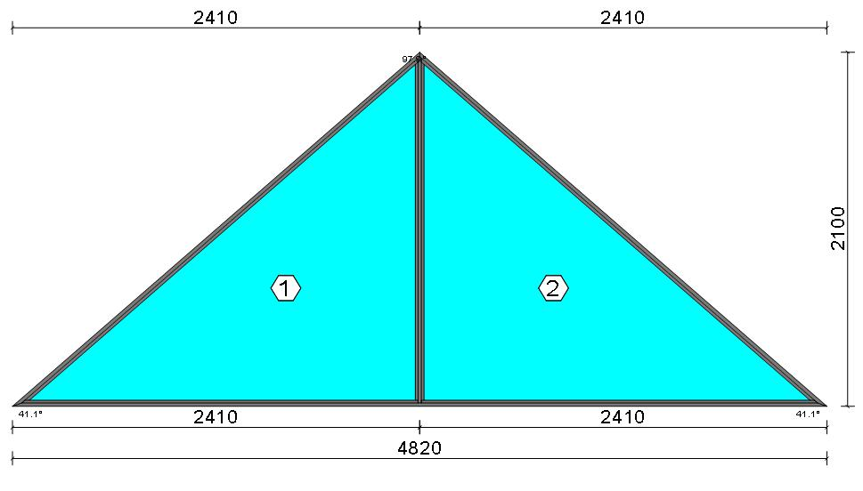
Stated quantities refer to one position each.
Glass
Description |  |  |  |  |  |  |  |  |  |  | Area [m²] |  |  |  | Dimension [mm] |  | Quantity [Pcs.] |  |  | Price [£]

6mm TG TGH STD (4m2 to 5.99m2), 42 mm |  |  |  |  |  |  |  |  |  |  | 4.71 (4.73) |  |  |  | 2,326 x 2,026 |  | 2 |  |  | 1,537.22
 |  |  |  | Shaped glass
Total: |  |  |  |  |  |  |  |  |  |  | 9.43 (9.46) |  |  |  |  |  | 2 |  |  | 1,537.22

Summary
Description |  |  |  |  |  |  |  |  |  |  |  |  |  |  |  |  |  | [£]
Profiles incl. Coating |  |  |  |  |  |  |  |  |  |  |  |  |  |  |  |  |  | 124.85
Finish |  |  |  |  |  |  |  |  |  |  |  |  |  |  |  |  |  | 24.86
Accessories |  |  |  |  |  |  |  |  |  |  |  |  |  |  |  |  |  | 10.97
Hardware |  |  |  |  |  |  |  |  |  |  |  |  |  |  |  |  |  | 0.00
Gaskets |  |  |  |  |  |  |  |  |  |  |  |  |  |  |  |  |  | 18.85
Small materials |  |  |  |  |  |  |  |  |  |  |  |  |  |  |  |  |  | 0.00
Total Material |  |  |  |  |  |  |  |  |  |  |  |  |  |  |  |  |  | 179.53

Glass |  |  |  |  |  |  |  |  |  |  |  |  |  |  |  |  |  | 1,537.22
Insertion Costs Glass |  |  |  |  |  |  |  |  |  |  |  |  |  |  |  |  |  | 0.00
Insertion Costs Panel |  |  |  |  |  |  |  |  |  |  |  |  |  |  |  |  |  | 0.00
Total Glass |  |  |  |  |  |  |  |  |  |  |  |  |  |  |  |  |  | 1,537.22

Outer frame corner |  |  |  |  |  |  |  |  |  |  |  |  |  |  |  |  |  | 75.00
T-Junction |  |  |  |  |  |  |  |  |  |  |  |  |  |  |  |  |  | 35.42
Installation |  |  |  |  |  |  |  |  |  |  |  |  |  |  |  |  |  | 0.00
Total Wages |  |  |  |  |  |  |  |  |  |  |  |  |  |  |  |  |  | 110.42

Extra costs |  |  |  |  |  |  |  |  |  |  |  |  |  |  |  |  |  | 0.00
Net Total |  |  |  |  |  |  |  |  |  |  |  |  |  |  |  |  |  | 1,827.17

Total Costs |  |  |  |  |  |  |  |  |  |  |  |  |  |  |  |  |  | 1,827.17

Profit on material |  |  |  |  |  |  |  |  |  |  |  |  |  |  |  |  |  | 0.00
Profit on glass purchase |  |  |  |  |  |  |  |  |  |  |  |  |  |  |  |  |  | 0.00
Profit on wages |  |  |  |  |  |  |  |  |  |  |  |  |  |  |  |  |  | 0.00
Profit on other costs |  |  |  |  |  |  |  |  |  |  |  |  |  |  |  |  |  | 0.00
Estimated price |  |  |  |  |  |  |  |  |  |  |  |  |  |  |  |  |  | 1,827.17

Position area: |  |  |  |  |  |  |  |  |  |  |  |  |  |  |  |  |  | 5.06 m²
Estimated price / m² |  |  |  |  |  |  |  |  |  |  |  |  |  |  |  |  |  | 361.03 £
Weight / Profiles |  |  |  |  |  |  |  |  |  |  |  |  |  |  |  |  |  | 22.07 kg
Weight / Glass |  |  |  |  |  |  |  |  |  |  |  |  |  |  |  |  |  | 212.07 kg
Weight for estimation |  |  |  |  |  |  |  |  |  |  |  |  |  |  |  |  |  | 234.14 kg

 |  |  |  |  | Logikal 12.6 - ORGADATA AG , Am Nesseufer 14, 26789 Leer, Germany, +49 491 92782-500
 |  |  |  |  |  |  |  |  | Page: 41 from 43

 |  |  |  |  | Please check all results for plausibility. We do not take responsibility for any errors.

 | Estimation |  |  |  |  |  |  |  |  |  |  | Date: |  | 15/10/2026 / 16:30
 |  |  |  |  |  |  |  |  |  |  |  | Project: |  | Birch Hollow

Position |  |  | Quantity |  |  |  | Profiles | Glass |  | Panel / Sheet metal |  |  |  |  | Hardware | Coating / Anodised |  |  | Wages / Insertion Costs |  | Sealing
DG.01 |  |  | 1 |  |  |  | 103.36 | 221.16 |  | 0.00 |  |  |  |  | 0.00 | 19.14 |  |  | 25.00 |  | 0.00
DG.02 |  |  | 1 |  |  |  | 180.55 | 424.00 |  | 0.00 |  |  |  |  | 102.26 | 31.36 |  |  | 150.84 |  | 0.00
DG.03 |  |  | 1 |  |  |  | 167.46 | 303.06 |  | 0.00 |  |  |  |  | 126.12 | 28.68 |  |  | 150.84 |  | 0.00
DG.04 |  |  | 1 |  |  |  | 180.55 | 424.00 |  | 0.00 |  |  |  |  | 102.26 | 31.36 |  |  | 150.84 |  | 0.00
DG.05 |  |  | 1 |  |  |  | 707.81 | 1,009.43 |  | 0.00 |  |  |  |  | 159.39 | 106.88 |  |  | 695.00 |  | 0.00
DG.05B |  |  | 1 |  |  |  | 85.59 | 625.48 |  | 0.00 |  |  |  |  | 0.00 | 15.88 |  |  | 25.00 |  | 0.00
DG.06 |  |  | 1 |  |  |  | 741.36 | 1,330.99 |  | 0.00 |  |  |  |  | 299.61 | 103.80 |  |  | 695.00 |  | 0.00
DG.07 |  |  | 1 |  |  |  | 176.29 | 157.30 |  | 0.00 |  |  |  |  | 246.47 | 24.93 |  |  | 146.66 |  | 0.00
DG.08 |  |  | 1 |  |  |  | 117.13 | 282.58 |  | 0.00 |  |  |  |  | 0.00 | 21.70 |  |  | 25.00 |  | 0.00
WG.01 |  |  | 1 |  |  |  | 116.33 | 145.45 |  | 0.00 |  |  |  |  | 126.12 | 17.46 |  |  | 113.34 |  | 0.00
WG.02 |  |  | 1 |  |  |  | 62.86 | 241.06 |  | 0.00 |  |  |  |  | 0.00 | 11.65 |  |  | 25.00 |  | 0.00
WG.03 |  |  | 1 |  |  |  | 117.58 | 183.93 |  | 0.00 |  |  |  |  | 82.07 | 20.53 |  |  | 150.84 |  | 0.00
WG.04 |  |  | 1 |  |  |  | 112.70 | 162.10 |  | 0.00 |  |  |  |  | 81.77 | 19.94 |  |  | 150.84 |  | 0.00
WG.05 |  |  | 1 |  |  |  | 177.93 | 400.24 |  | 0.00 |  |  |  |  | 126.12 | 30.82 |  |  | 150.84 |  | 0.00
DF.01 |  |  | 1 |  |  |  | 180.55 | 424.00 |  | 0.00 |  |  |  |  | 102.26 | 31.36 |  |  | 150.84 |  | 0.00
DF.02A |  |  | 1 |  |  |  | 672.35 | 1,076.40 |  | 0.00 |  |  |  |  | 280.43 | 93.91 |  |  | 695.00 |  | 0.00
DF.02b |  |  | 1 |  |  |  | 154.87 | 909.24 |  | 0.00 |  |  |  |  | 0.00 | 29.87 |  |  | 181.25 |  | 0.00
DF.02c |  |  | 1 |  |  |  | 111.75 | 227.80 |  | 0.00 |  |  |  |  | 0.00 | 21.38 |  |  | 91.67 |  | 0.00
WF.03 |  |  | 1 |  |  |  | 114.42 | 134.75 |  | 0.00 |  |  |  |  | 125.99 | 17.17 |  |  | 113.34 |  | 0.00
WG..04 |  |  | 1 |  |  |  | 180.55 | 424.00 |  | 0.00 |  |  |  |  | 126.12 | 31.36 |  |  | 150.84 |  | 0.00
F17 |  |  | 1 |  |  |  | 124.85 | 1,537.22 |  | 0.00 |  |  |  |  | 0.00 | 24.86 |  |  | 110.42 |  | 0.00
Total: |  |  | 21 |  |  |  | 4,586.84 | 10,644.19 |  | 0.00 |  |  |  |  | 2,086.99 | 734.04 |  |  | 4,148.40 |  | 0.00

Summary
Description |  |  |  |  |  |  |  |  |  |  |  |  |  |  |  |  |  | [£]
Profiles incl. Coating |  |  |  |  |  |  |  |  |  |  |  |  |  |  |  |  |  | 4,586.84
Finish |  |  |  |  |  |  |  |  |  |  |  |  |  |  |  |  |  | 734.04
Accessories |  |  |  |  |  |  |  |  |  |  |  |  |  |  |  |  |  | 617.38
Hardware |  |  |  |  |  |  |  |  |  |  |  |  |  |  |  |  |  | 2,086.99
Gaskets |  |  |  |  |  |  |  |  |  |  |  |  |  |  |  |  |  | 513.58
Small materials |  |  |  |  |  |  |  |  |  |  |  |  |  |  |  |  |  | 0.00
Total Material |  |  |  |  |  |  |  |  |  |  |  |  |  |  |  |  |  | 8,538.83

Glass |  |  |  |  |  |  |  |  |  |  |  |  |  |  |  |  |  | 10,644.19
Insertion Costs Glass |  |  |  |  |  |  |  |  |  |  |  |  |  |  |  |  |  | 0.00
Insertion Costs Panel |  |  |  |  |  |  |  |  |  |  |  |  |  |  |  |  |  | 0.00
Total Glass |  |  |  |  |  |  |  |  |  |  |  |  |  |  |  |  |  | 10,644.19

Outer frame corner |  |  |  |  |  |  |  |  |  |  |  |  |  |  |  |  |  | 831.70
Sash Corners |  |  |  |  |  |  |  |  |  |  |  |  |  |  |  |  |  | 1,840.03
Outer Frame field |  |  |  |  |  |  |  |  |  |  |  |  |  |  |  |  |  | 1,035.00
T-Junction |  |  |  |  |  |  |  |  |  |  |  |  |  |  |  |  |  | 441.67
Installation |  |  |  |  |  |  |  |  |  |  |  |  |  |  |  |  |  | 0.00
Total Wages |  |  |  |  |  |  |  |  |  |  |  |  |  |  |  |  |  | 4,148.40

Extra costs |  |  |  |  |  |  |  |  |  |  |  |  |  |  |  |  |  | 0.00
Net Total |  |  |  |  |  |  |  |  |  |  |  |  |  |  |  |  |  | 23,331.42

Total Costs |  |  |  |  |  |  |  |  |  |  |  |  |  |  |  |  |  | 23,331.42

Profit on material |  |  |  |  |  |  |  |  |  |  |  |  |  |  |  |  |  | 0.00
Profit on wastage: |  |  |  |  |  |  |  |  |  |  |  |  |  |  |  |  |  | 0.00
Profit on glass purchase |  |  |  |  |  |  |  |  |  |  |  |  |  |  |  |  |  | 0.00

 |  |  |  |  | Logikal 12.6 - ORGADATA AG , Am Nesseufer 14, 26789 Leer, Germany, +49 491 92782-500
 |  |  |  |  |  |  |  |  | Page: 42 from 43

 |  |  |  |  | Please check all results for plausibility. We do not take responsibility for any errors.

 | Estimation |  |  |  |  |  |  |  |  |  |  | Date: |  | 15/10/2026 / 16:30
 |  |  |  |  |  |  |  |  |  |  |  | Project: |  | Birch Hollow

Profit on wages |  |  |  |  |  |  |  |  |  |  |  |  |  |  |  |  |  | 0.00
Profit on other costs |  |  |  |  |  |  |  |  |  |  |  |  |  |  |  |  |  | 0.00
Estimated price |  |  |  |  |  |  |  |  |  |  |  |  |  |  |  |  |  | 23,331.42
Position area: |  |  |  |  |  |  |  |  |  |  |  |  |  |  |  |  |  | 94.77 m²
Estimated price / m² |  |  |  |  |  |  |  |  |  |  |  |  |  |  |  |  |  | 246.18 £
Weight / Profiles |  |  |  |  |  |  |  |  |  |  |  |  |  |  |  |  |  | 719.62 kg
Weight / Glass |  |  |  |  |  |  |  |  |  |  |  |  |  |  |  |  |  | 2,990.59 kg
Weight for estimation |  |  |  |  |  |  |  |  |  |  |  |  |  |  |  |  |  | 3,710.20 kg

 |  |  |  |  | Logikal 12.6 - ORGADATA AG , Am Nesseufer 14, 26789 Leer, Germany, +49 491 92782-500
 |  |  |  |  |  |  |  |  | Page: 43 from 43

 |  |  |  |  | Please check all results for plausibility. We do not take responsibility for any errors.

